Brownian Motion simulation
GEOMETRIC BROWNIAN MOTION
Initial Price | 22828 |  | Press F9 to generate new Zs
Expected Return | 0.08
Annual Volatility | 0.1939
Time (In years) | 1
Simulated Price of NIFTY
Steps per year (N) | 252
Delta | 0.0039682539683

Step | Random Z | Simulated Price
0 |  | 22828
1 | 0.22234656369 | 22895.641822
2 | -0.055258015733 | 22885.750999
3 | 0.72289922807 | 23094.332534
4 | 0.18127594768 | 23151.146629
5 | 0.32107224425 | 23247.763317
6 | -1.1493093053 | 22929.252349
7 | 0.19794035444 | 22990.339499
8 | -0.22758303037 | 22932.087803
9 | -0.14305627863 | 22897.612288
10 | 1.4851243345 | 23322.431649
11 | -0.59524732472 | 23159.100478
12 | -1.0507202772 | 22869.327398
13 | 0.53527737698 | 23024.932114
14 | -0.19252945741 | 22976.428335
15 | 1.1543379106 | 23308.344241
16 | -0.39638832412 | 23201.398925
17 | 1.7429721698 | 23706.400193
18 | 3.2304579068 | 24666.511659
19 | -0.89852120462 | 24403.201903
20 | 1.6274475325 | 24899.201987
21 | -1.0972446721 | 24573.687703
22 | -1.2396264539 | 24210.287496
23 | 0.91107185001 | 24487.158641
24 | -2.1515963118 | 23857.793153
25 | -1.7344970057 | 23363.32955
26 | 1.0758299169 | 23678.117821
27 | 1.6005418614 | 24151.44197
28 | -0.59943308454 | 23981.078975
29 | -2.0581654045 | 23391.400105
30 | -0.55250272684 | 23239.716367
31 | 0.90191938948 | 23502.860362
32 | 1.672396661 | 23993.730564
33 | -0.15323094606 | 23954.681754
34 | -0.94958388447 | 23684.194007
35 | -0.39587092965 | 23575.673176
36 | 0.72816685495 | 23792.07346
37 | -0.37458334167 | 23689.217157
38 | 1.1590809244 | 24032.822233
39 | 0.098841926425 | 24067.699254
40 | -1.6424207645 | 23595.407382
41 | 0.51735849174 | 23750.75348
42 | 0.20670438784 | 23816.578638
43 | 0.25478521968 | 23896.616254
44 | -2.0087878075 | 23323.076761
45 | 0.27923730487 | 23408.446308
46 | -2.0116390229 | 22845.827667
47 | -0.21926351827 | 22790.257935
48 | -0.92273957234 | 22540.308006
49 | -1.5820320306 | 22114.294817
50 | 1.3599589269 | 22490.171134
51 | -0.48275455108 | 22363.375702
52 | -1.9937287974 | 21830.65045
53 | -0.41169263718 | 21726.423398
54 | -0.26926510343 | 21660.343453
55 | -0.52871910289 | 21526.137485
56 | -0.087914760624 | 21508.257196
57 | 0.43143239655 | 21627.151368
58 | -0.072631276251 | 21613.221573
59 | 0.56538845604 | 21768.284403
60 | -0.63214786195 | 21606.096634
61 | 0.03624956584 | 21620.915607
62 | 0.31015723459 | 21708.251801
63 | 0.909555423 | 21956.102744
64 | 0.65281695058 | 22137.253307
65 | -0.32789457295 | 22054.124505
66 | 2.3074562008 | 22690.062265
67 | -1.0885463554 | 22395.808027
68 | 0.50859936026 | 22540.844523
69 | -0.30395717208 | 22462.766981
70 | -0.0392722027 | 22457.447761
71 | -0.56102508993 | 22309.497856
72 | 0.24147166967 | 22380.830955
73 | -2.386479043 | 21743.131664
74 | -0.45742668037 | 21627.237656
75 | -0.90595455392 | 21394.428906
76 | -0.0062059942611 | 21398.003342
77 | 1.0536477871 | 21680.436587
78 | 0.17154855153 | 21731.190211
79 | -0.7527421105 | 21537.530556
80 | 0.6365405747 | 21710.910911
81 | -0.55326678939 | 21569.923158
82 | -0.80074095916 | 21365.17091
83 | 0.31201017458 | 21451.959555
84 | -1.4385897113 | 21083.423799
85 | -0.60354258247 | 20933.651637
86 | -0.050872725285 | 20925.729228
87 | 0.24882866697 | 20994.524355
88 | -0.072015020754 | 20981.159958
89 | 0.35886882485 | 21078.449646
90 | -0.73680043719 | 20894.675177
91 | 0.68498470519 | 21075.347536
92 | -0.0070769137914 | 21078.644428
93 | -1.5259113302 | 20694.437722
94 | 0.51611731407 | 20830.368782
95 | -0.085427084607 | 20813.698852
96 | -0.9323099845 | 20583.020382
97 | -0.47749138677 | 20468.29292
98 | -0.50605257188 | 20347.105365
99 | 0.44382117501 | 20462.677124
100 | -0.65147400794 | 20305.423103
101 | -0.47915691433 | 20191.832157
102 | 1.5799867281 | 20590.295376
103 | 0.68256088106 | 20767.720963
104 | -0.16361191839 | 20731.293478
105 | -0.66013489229 | 20569.798992
106 | 0.67194157419 | 20744.357036
107 | -0.99103232932 | 20499.738019
108 | -0.48784816317 | 20382.896095
109 | -0.3852127433 | 20292.143351
110 | -0.54082957527 | 20163.431779
111 | 1.5903967915 | 20563.949176
112 | -0.24023832318 | 20508.674888
113 | 1.0807276626 | 20786.244144
114 | 1.3255229597 | 21130.65776
115 | 0.4120007404 | 21242.422158
116 | 0.027082004628 | 21254.611522
117 | 2.17278749 | 21831.554402
118 | -0.03962028986 | 21826.291854
119 | -1.3180927319 | 21482.920886
120 | -1.1384264881 | 21191.40628
121 | 1.9559639749 | 21709.062964
122 | -1.7014865961 | 21267.706338
123 | -1.204787188 | 20962.114037
124 | -0.21556134929 | 20912.071841
125 | 1.9296078286 | 21416.009502
126 | 0.24844170408 | 21486.31491
127 | 0.85486513872 | 21717.11966
128 | -0.98224324261 | 21463.33382
129 | -0.13559153799 | 21433.020533
130 | 2.3223835054 | 22055.069503
131 | 0.2737249903 | 22134.307395
132 | -0.24105509952 | 22074.591877
133 | -0.08232953463 | 22057.760777
134 | -0.083267338694 | 22040.690034
135 | 1.0683676204 | 22335.621629
136 | 0.34025450877 | 22434.09064
137 | 0.23150090279 | 22503.081333
138 | -0.14036863655 | 22469.988416
139 | 0.015848654424 | 22479.797513
140 | -1.5595060645 | 22060.997105
141 | 0.0069295190613 | 22068.223345
142 | -0.23522343012 | 22010.253876
143 | 0.45016258302 | 22136.986943
144 | -0.46661368089 | 22016.522905
145 | 0.14472723448 | 22060.834761
146 | 1.0848710338 | 22360.542941
147 | 0.98598980389 | 22636.9656
148 | 0.46888436178 | 22772.514199
149 | 0.88703483924 | 23026.181322
150 | 2.2156738721 | 23663.604982
151 | -2.646639012 | 22916.417296
152 | 1.7003856255 | 23403.038803
153 | 0.63655698273 | 23591.441508
154 | 0.84272213936 | 23841.322967
155 | -0.41041139331 | 23727.867605
156 | 0.83756781917 | 23977.684467
157 | -0.68940728094 | 23782.396059
158 | 1.0425669037 | 24093.039849
159 | -1.0752704326 | 23784.44777
160 | 0.17263303406 | 23840.442657
161 | -1.4342789488 | 23432.107515
162 | -0.098763671753 | 23409.541756
163 | -0.03344083357 | 23405.665407
164 | -0.45746183794 | 23280.899857
165 | -0.73248387652 | 23079.139929
166 | -0.11196260169 | 23053.197173
167 | 0.19638497465 | 23114.175399
168 | 0.58378828911 | 23285.239407
169 | -0.42982276193 | 23168.936285
170 | 0.45020080269 | 23302.351821
171 | -1.2631628488 | 22951.153266
172 | 1.5219246503 | 23387.476266
173 | -1.3380985099 | 23013.920358
174 | -0.6227282761 | 22845.080109
175 | -0.02267825362 | 22844.300145
176 | -0.73436892603 | 22645.802506
177 | -1.1912041143 | 22324.112072
178 | 0.70989483161 | 22523.99675
179 | 1.0411386458 | 22817.805354
180 | 0.42697820252 | 22942.690243
181 | -1.5207552871 | 22525.925632
182 | -0.51747012082 | 22389.432703
183 | 0.98553363913 | 22666.086207
184 | -0.79082231047 | 22453.648781
185 | -0.24396422212 | 22392.276028
186 | -0.22846422396 | 22335.299268
187 | -0.73722343935 | 22140.452441
188 | -0.85536579484 | 21915.657053
189 | 0.08478267343 | 21943.692934
190 | -0.2988153652 | 21869.057261
191 | -0.46894530061 | 21749.431804
192 | -0.24454502602 | 21689.830019
193 | 1.165981069 | 22006.289237
194 | -0.74998403181 | 21810.912779
195 | -1.3026679563 | 21471.828811
196 | 0.0044844595041 | 21478.220601
197 | -0.17338611491 | 21437.98729
198 | 0.19869302681 | 21495.299092
199 | -0.95192219172 | 21251.974826
200 | -2.2800171281 | 20673.305925
201 | -0.094262742477 | 20654.532456
202 | -1.3102832925 | 20331.534902
203 | 1.7961997176 | 20787.581424
204 | -1.0520234172 | 20527.154708
205 | 0.14548481872 | 20568.6593
206 | 1.2631056961 | 20893.532406
207 | 1.4446409591 | 21270.649431
208 | 0.3323946745 | 21362.372417
209 | -1.6409889855 | 20943.534724
210 | 1.5454613731 | 21347.827424
211 | 0.33641717453 | 21440.936649
212 | -0.36818975041 | 21349.911876
213 | 0.74496620373 | 21550.303568
214 | -1.7341971606 | 21103.741026
215 | 1.5575702081 | 21514.308156
216 | -0.16098066965 | 21477.261382
217 | 0.090399831363 | 21506.211953
218 | -0.13721963089 | 21475.411034
219 | -0.66386529897 | 21307.149067
220 | -0.37818437615 | 21214.1023
221 | 2.1963341847 | 21796.21354
222 | -0.28258331758 | 21726.386682
223 | -0.44716934914 | 21613.289658
224 | -1.1145279038 | 21326.230442
225 | 1.8815592785 | 21827.334431
226 | -1.2950300081 | 21489.999959
227 | 0.94449902719 | 21744.638118
228 | 2.0506370173 | 22301.583362
229 | 0.15579111142 | 22349.489062
230 | -0.50184586981 | 22218.305036
231 | 0.26147589054 | 22294.793454
232 | -1.0819321086 | 22007.443138
233 | -0.39304730998 | 21907.360725
234 | -0.73270651672 | 21717.445278
235 | -0.54987097041 | 21577.310065
236 | 0.81990123227 | 21799.780293
237 | 2.1166131433 | 22376.162882
238 | -0.18878171694 | 22330.047963
239 | -1.3651248263 | 21966.129272
240 | 0.81100846232 | 22190.197916
241 | -1.1059157016 | 21897.779829
242 | 0.15746097827 | 21945.26573
243 | -0.59974001496 | 21790.383293
244 | 0.4607294843 | 21918.679227
245 | 0.41480626355 | 22035.366732
246 | -0.40253695824 | 21932.614936
247 | 0.091454741382 | 21962.462297
248 | 0.011467974407 | 21970.874187
249 | 0.91077131229 | 22222.053613
250 | 1.2266886162 | 22563.002701
251 | 0.13857475339 | 22606.715483
252 | -1.4154789063 | 22224.614358

Normal Distribution
Log-normal Price Distribution at Expiry
 |  | PRICE RANGE | PDF VALUES
Spot Price (S) | 22828 | 20210.282004 | 2.174740748E-07
Volatility (Sigma) | 0.1939 | 20333.734471 | 4.715333488E-07
Time to expiry (T) in years | 0.02466 | 20457.941035 | 9.8230319215E-07
Std Dev of Log Returns | 0.030449091917 | 20582.906302 | 1.9661059531E-06
 |  | 20708.634907 | 3.780911411E-06
EXPECTED PRICE RANGE AT EXPIRY |  | 20835.131512 | 6.9857703727E-06
1σ Upper | 23533.78256 | 20962.400809 | 1.2401103466E-05
1σ Lower | 22143.383992 | 21090.447518 | 2.1151178806E-05
2σ Upper | 24261.386086 | 21219.276387 | 3.4660677151E-05
2σ Lower | 21479.299746 | 21348.892194 | 5.4571731069E-05
3σ Upper | 25011.485226 | 21479.299746 | 8.255181727E-05
3σ Lower | 20835.131512 | 21610.50388 | 0.00011998135622
 |  | 21742.509461 | 0.00016754409118
 |  | 21875.321384 | 0.00022478777371
 |  | 22008.944576 | 0.00028976403251
 |  | 22143.383992 | 0.0003588760601
 |  | 22278.644617 | 0.00042704409462
 |  | 22414.731468 | 0.00048823529699
 |  | 22551.649592 | 0.00053630747137 | `
 |  | 22689.404066 | 0.00056601343736
 |  | 22828 | 0.00057394180173
 |  | 22967.442533 | 0.00055916141159
 |  | 23107.736837 | 0.00052340124234
 |  | 23248.888114 | 0.00047071769719
 |  | 23390.901599 | 0.00040673778988
 |  | 23533.78256 | 0.00033767331639
 |  | 23677.536294 | 0.00026934392381
 |  | 23822.168134 | 0.00020641718107
 |  | 23967.683443 | 0.00015198919813
 |  | 24114.087617 | 0.00010752459746
 |  | 24261.386086 | 7.3085487426E-05
 |  | 24409.584313 | 4.7729039072E-05
 |  | 24558.687794 | 2.994762971E-05
 |  | 24708.702059 | 1.805387533E-05
 |  | 24859.63267 | 1.0456988837E-05
 |  | 25011.485226 | 5.819304336E-06
 |  | 25164.265358 | 3.1114563811E-06
 |  | 25317.978732 | 1.5983967377E-06
 |  | 25472.631049 | 7.8892128358E-07
 |  | 25628.228044 | 3.7412004811E-07
 |  | 25784.775487 | 1.7045765562E-07
 |  | 25942.279184 | 7.4619143785E-08
 |  | 26100.744977 | 3.1384284532E-08
 |  | 26260.178742 | 1.2682428549E-08
Log-normal Price Distribution at Expiry
 |  | 26420.586393 | 4.924031661E-09
 |  | 26581.973877 | 1.8368236815E-09
 |  | 26744.34718 | 6.5832799545E-10
 |  | 26907.712324 | 2.2669680459E-10
 |  | 27072.075368 | 7.5002664809E-11
 |  | 27237.442407 | 2.3841644614E-11
 |  | 27403.819574 | 7.2815518589E-12
 |  | 27571.213039 | 2.1366820641E-12
 |  | 27739.629009 | 6.0239877872E-13
 |  | 27909.073732 | 1.6317607471E-13
 |  | 28079.553491 | 4.2467539701E-14
 |  | 28251.074608 | 1.0619056754E-14
 |  | 28423.643445 | 2.55119117E-15
 |  | 28597.266401 | 5.8888200717E-16
 |  | 28771.949915 | 1.3059958221E-16
 |  | 28947.700466 | 2.7828097158E-17
 |  | 29124.524571 | 5.6970949159E-18
 |  | 29302.428789 | 1.1206025847E-18
 |  | 29481.419716 | 2.1177661647E-19

NIFTY 50_HistoricalData
Date | Close | Open | Daily % Change | Jump > 2%? | Total Days | 1243
17-Apr-25 | 23851.65 | 23401.85 | -0.15% |  | Jump Days | 16
16-Apr-25 | 23437.2 | 23344.1 | 0.07% | 0 | % Days with change of 2% | 1.29%
15-Apr-25 | 23328.55 | 23368.35 | 2.36% | 1
11-Apr-25 | 22828.55 | 22695.4 | 1.32% | 0
9-Apr-25 | 22399.15 | 22460.3 | -0.34% | 0 | No. of days with 2% Jump | 6 | % Days with positive 2% jump | 0.48%
8-Apr-25 | 22535.85 | 22446.75 | 1.29% | 0 | No. of days with 2% Fall | 10 | % Days with negative 2% jump | 0.80%
7-Apr-25 | 22161.6 | 21758.4 | -5.00% | 1 | Normal Days (Less than 2% Movement) | 1227 | % of Normal Days | 98.71%
4-Apr-25 | 22904.45 | 23190.4 | -0.26% | 0
3-Apr-25 | 23250.1 | 23150.3 | -0.78% | 0
2-Apr-25 | 23332.35 | 23192.6 | 0.12% | 0
1-Apr-25 | 23165.7 | 23341.1 | -0.76% | 0
Distribution of >2% Jumps in NIFTY
28-Mar-25 | 23519.35 | 23600.4 | 0.04% | 0
27-Mar-25 | 23591.95 | 23433.95 | -0.23% | 0
26-Mar-25 | 23486.85 | 23700.95 | 0.14% | 0
25-Mar-25 | 23668.65 | 23751.5 | 0.39% | 0
24-Mar-25 | 23658.35 | 23515.4 | 0.71% | 0
21-Mar-25 | 23350.4 | 23168.25 | -0.10% | 0
20-Mar-25 | 23190.65 | 23036.6 | 0.56% | 0
19-Mar-25 | 22907.6 | 22874.95 | 0.18% | 0
18-Mar-25 | 22834.3 | 22662.25 | 0.68% | 0
17-Mar-25 | 22508.75 | 22353.15 | -0.20% | 0
13-Mar-25 | 22397.2 | 22541.5 | 0.32% | 0
12-Mar-25 | 22470.5 | 22536.35 | 0.17% | 0
11-Mar-25 | 22497.9 | 22345.95 | -0.51% | 0
10-Mar-25 | 22460.3 | 22521.85 | -0.14% | 0
7-Mar-25 | 22552.5 | 22508.65 | -0.16% | 0
6-Mar-25 | 22544.7 | 22476.35 | 0.62% | 0
Distribution of Daily NIFTY Movements (>2%)
5-Mar-25 | 22337.3 | 22073.05 | -0.04% | 0
4-Mar-25 | 22082.65 | 21974.45 | -0.65% | 0
3-Mar-25 | 22119.3 | 22194.55 | 0.32% | 0
28-Feb-25 | 22124.7 | 22433.4 | -0.50% | 0
27-Feb-25 | 22545.05 | 22568.95 | 0.09% | 0
25-Feb-25 | 22547.55 | 22516.45 | -0.16% | 0
24-Feb-25 | 22553.35 | 22609.35 | -0.82% | 0
21-Feb-25 | 22795.9 | 22857.2 | -0.24% | 0
20-Feb-25 | 22913.15 | 22821.1 | -0.49% | 0
19-Feb-25 | 22932.9 | 22847.25 | -0.43% | 0
18-Feb-25 | 22945.3 | 22963.65 | 0.02% | 0
17-Feb-25 | 22959.5 | 22809.9 | -0.52% | 0
14-Feb-25 | 22929.25 | 23096.45 | 0.28% | 0
13-Feb-25 | 23031.4 | 23055.75 | 0.05% | 0
12-Feb-25 | 23045.25 | 23050.8 | -0.09% | 0
11-Feb-25 | 23071.8 | 23383.55 | 0.01% | 0
10-Feb-25 | 23381.6 | 23543.8 | -0.07% | 0
7-Feb-25 | 23559.95 | 23649.5 | 0.20% | 0
6-Feb-25 | 23603.35 | 23761.95 | 0.28% | 0
5-Feb-25 | 23696.3 | 23801.75 | 0.26% | 0
4-Feb-25 | 23739.25 | 23509.9 | 0.64% | 0
3-Feb-25 | 23361.05 | 23319.35 | -0.69% | 0
1-Feb-25 | 23482.15 | 23528.6 | 0.09% | 0
31-Jan-25 | 23508.4 | 23296.75 | 0.20% | 0
30-Jan-25 | 23249.5 | 23169.5 | 0.03% | 0
29-Jan-25 | 23163.1 | 23026.75 | 0.30% | 0
28-Jan-25 | 22957.25 | 22960.45 | 0.58% | 0
27-Jan-25 | 22829.15 | 22940.15 | -0.66% | 0
24-Jan-25 | 23092.2 | 23183.9 | -0.09% | 0
23-Jan-25 | 23205.35 | 23128.3 | -0.12% | 0
22-Jan-25 | 23155.35 | 23099.15 | 0.32% | 0
21-Jan-25 | 23024.65 | 23421.65 | 0.33% | 0
20-Jan-25 | 23344.75 | 23290.4 | 0.38% | 0
17-Jan-25 | 23203.2 | 23277.1 | -0.15% | 0
16-Jan-25 | 23311.8 | 23377.25 | 0.71% | 0
15-Jan-25 | 23213.2 | 23250.45 | 0.32% | 0
14-Jan-25 | 23176.05 | 23165.9 | 0.35% | 0
13-Jan-25 | 23085.95 | 23195.4 | -1.01% | 0
10-Jan-25 | 23431.5 | 23551.9 | 0.11% | 0
9-Jan-25 | 23526.5 | 23674.75 | -0.06% | 0
8-Jan-25 | 23688.95 | 23746.65 | 0.16% | 0
7-Jan-25 | 23707.9 | 23679.9 | 0.27% | 0
6-Jan-25 | 23616.05 | 24045.8 | 0.17% | 0
3-Jan-25 | 24004.75 | 24196.4 | 0.03% | 0
2-Jan-25 | 24188.65 | 23783 | 0.17% | 0
1-Jan-25 | 23742.9 | 23637.65 | -0.03% | 0
31-Dec-24 | 23644.8 | 23560.6 | -0.36% | 0
30-Dec-24 | 23644.9 | 23796.9 | -0.07% | 0
27-Dec-24 | 23813.4 | 23801.4 | 0.22% | 0
26-Dec-24 | 23750.2 | 23775.8 | 0.20% | 0
24-Dec-24 | 23727.65 | 23769.1 | 0.07% | 0
23-Dec-24 | 23753.45 | 23738.2 | 0.64% | 0
20-Dec-24 | 23587.5 | 23960.7 | 0.04% | 0
19-Dec-24 | 23951.7 | 23877.15 | -1.33% | 0
18-Dec-24 | 24198.85 | 24297.95 | -0.16% | 0
17-Dec-24 | 24336 | 24584.8 | -0.34% | 0
16-Dec-24 | 24668.25 | 24753.4 | -0.06% | 0
13-Dec-24 | 24768.3 | 24498.35 | -0.21% | 0
12-Dec-24 | 24548.7 | 24604.45 | -0.15% | 0
11-Dec-24 | 24641.8 | 24620.5 | 0.04% | 0
10-Dec-24 | 24610.05 | 24652.65 | 0.14% | 0
9-Dec-24 | 24619 | 24633.9 | -0.18% | 0
6-Dec-24 | 24677.8 | 24729.45 | 0.09% | 0
5-Dec-24 | 24708.4 | 24539.15 | 0.29% | 0
4-Dec-24 | 24467.45 | 24488.75 | 0.13% | 0
3-Dec-24 | 24457.15 | 24367.5 | 0.38% | 0
2-Dec-24 | 24276.05 | 24140.85 | 0.04% | 0
29-Nov-24 | 24131.1 | 23927.15 | 0.05% | 0
28-Nov-24 | 23914.15 | 24274.15 | 0.00% | 0
27-Nov-24 | 24274.9 | 24204.8 | 0.04% | 0
26-Nov-24 | 24194.5 | 24343.3 | 0.50% | 0
25-Nov-24 | 24221.9 | 24253.55 | 1.45% | 0
22-Nov-24 | 23907.25 | 23411.8 | 0.27% | 0
21-Nov-24 | 23349.9 | 23488.45 | -0.13% | 0
19-Nov-24 | 23518.5 | 23529.55 | 0.32% | 0
18-Nov-24 | 23453.8 | 23605.3 | 0.31% | 0
14-Nov-24 | 23532.7 | 23542.15 | -0.07% | 0
13-Nov-24 | 23559.05 | 23822.45 | -0.26% | 0
12-Nov-24 | 23883.45 | 24225.8 | 0.35% | 0
11-Nov-24 | 24141.3 | 24087.25 | -0.25% | 0
8-Nov-24 | 24148.2 | 24207.7 | 0.03% | 0
7-Nov-24 | 24199.35 | 24489.6 | 0.02% | 0
6-Nov-24 | 24484.05 | 24308.75 | 0.39% | 0
5-Nov-24 | 24213.3 | 23916.5 | -0.33% | 0
4-Nov-24 | 23995.35 | 24315.75 | 0.05% | 0
1-Nov-24 | 24304.35 | 24302.75 | 0.40% | 0
31-Oct-24 | 24205.35 | 24349.85 | 0.04% | 0
30-Oct-24 | 24340.85 | 24371.45 | -0.39% | 0
29-Oct-24 | 24466.85 | 24328.85 | -0.04% | 0
28-Oct-24 | 24339.15 | 24251.1 | 0.29% | 0
25-Oct-24 | 24180.8 | 24418.05 | 0.08% | 0
24-Oct-24 | 24399.4 | 24412.7 | -0.09% | 0
23-Oct-24 | 24435.5 | 24378.15 | -0.38% | 0
22-Oct-24 | 24472.1 | 24798.65 | 0.07% | 0
21-Oct-24 | 24781.1 | 24956.15 | 0.41% | 0
18-Oct-24 | 24854.05 | 24664.95 | -0.34% | 0
17-Oct-24 | 24749.85 | 25027.4 | 0.22% | 0
16-Oct-24 | 24971.3 | 25008.55 | -0.19% | 0
15-Oct-24 | 25057.35 | 25186.3 | 0.23% | 0
14-Oct-24 | 25127.95 | 25023.45 | 0.24% | 0
11-Oct-24 | 24964.25 | 24985.3 | -0.05% | 0
10-Oct-24 | 24998.45 | 25067.05 | 0.34% | 0
9-Oct-24 | 24981.95 | 25065.8 | 0.21% | 0
8-Oct-24 | 25013.15 | 24832.2 | 0.15% | 0
7-Oct-24 | 24795.75 | 25084.1 | 0.28% | 0
4-Oct-24 | 25014.6 | 25181.9 | -0.27% | 0
3-Oct-24 | 25250.1 | 25452.85 | -1.33% | 0
1-Oct-24 | 25796.9 | 25788.45 | -0.09% | 0
30-Sep-24 | 25810.85 | 26061.3 | -0.45% | 0
27-Sep-24 | 26178.95 | 26248.25 | 0.12% | 0
26-Sep-24 | 26216.05 | 26005.4 | 0.00% | 0
25-Sep-24 | 26004.15 | 25899.45 | -0.16% | 0
24-Sep-24 | 25940.4 | 25921.45 | -0.07% | 0
23-Sep-24 | 25939.05 | 25872.55 | 0.32% | 0
20-Sep-24 | 25790.95 | 25525.95 | 0.43% | 0
19-Sep-24 | 25415.8 | 25487.05 | 0.43% | 0
18-Sep-24 | 25377.55 | 25402.4 | -0.06% | 0
17-Sep-24 | 25418.55 | 25416.9 | 0.13% | 0
16-Sep-24 | 25383.75 | 25406.65 | 0.20% | 0
13-Sep-24 | 25356.5 | 25430.45 | 0.16% | 0
12-Sep-24 | 25388.9 | 25059.65 | 0.57% | 0
11-Sep-24 | 24918.45 | 25034 | -0.03% | 0
10-Sep-24 | 25041.1 | 24999.4 | 0.25% | 0
9-Sep-24 | 24936.4 | 24823.4 | -0.12% | 0
6-Sep-24 | 24852.15 | 25093.7 | -0.20% | 0
5-Sep-24 | 25145.1 | 25250.5 | 0.21% | 0
4-Sep-24 | 25198.7 | 25089.95 | -0.75% | 0
3-Sep-24 | 25279.85 | 25313.4 | 0.14% | 0
2-Sep-24 | 25278.7 | 25333.6 | 0.39% | 0
30-Aug-24 | 25235.9 | 25249.7 | 0.39% | 0
29-Aug-24 | 25151.95 | 25035.3 | -0.07% | 0
28-Aug-24 | 25052.35 | 25030.8 | 0.05% | 0
27-Aug-24 | 25017.75 | 25024.8 | 0.06% | 0
26-Aug-24 | 25010.6 | 24906.1 | 0.33% | 0
23-Aug-24 | 24823.15 | 24845.4 | 0.14% | 0
22-Aug-24 | 24811.5 | 24863.4 | 0.38% | 0
21-Aug-24 | 24770.2 | 24680.55 | -0.07% | 0
20-Aug-24 | 24698.85 | 24648.9 | 0.31% | 0
19-Aug-24 | 24572.65 | 24636.35 | 0.39% | 0
16-Aug-24 | 24541.15 | 24334.85 | 0.79% | 0
14-Aug-24 | 24143.75 | 24184.4 | 0.19% | 0
13-Aug-24 | 24139 | 24342.35 | -0.02% | 0
12-Aug-24 | 24347 | 24320.05 | -0.19% | 0
9-Aug-24 | 24367.5 | 24386.85 | 1.12% | 0
8-Aug-24 | 24117 | 24248.55 | -0.20% | 0
7-Aug-24 | 24297.5 | 24289.4 | 1.24% | 0
6-Aug-24 | 23992.55 | 24189.85 | 0.56% | 0
5-Aug-24 | 24055.6 | 24302.85 | -1.68% | 0
2-Aug-24 | 24717.7 | 24789 | -0.89% | 0
1-Aug-24 | 25010.9 | 25030.95 | 0.32% | 0
31-Jul-24 | 24951.15 | 24886.7 | 0.12% | 0
30-Jul-24 | 24857.3 | 24839.4 | 0.01% | 0
29-Jul-24 | 24836.1 | 24943.3 | 0.44% | 0
26-Jul-24 | 24834.85 | 24423.35 | 0.07% | 0
25-Jul-24 | 24406.1 | 24230.95 | -0.75% | 0
24-Jul-24 | 24413.5 | 24444.95 | -0.14% | 0
23-Jul-24 | 24479.05 | 24568.9 | 0.24% | 0
22-Jul-24 | 24509.25 | 24445.75 | -0.35% | 0
19-Jul-24 | 24530.9 | 24853.8 | 0.21% | 0
18-Jul-24 | 24800.85 | 24543.8 | -0.28% | 0
16-Jul-24 | 24613 | 24615.9 | 0.12% | 0
15-Jul-24 | 24586.7 | 24587.6 | 0.35% | 0
12-Jul-24 | 24502.15 | 24387.95 | 0.30% | 0
11-Jul-24 | 24315.95 | 24396.55 | 0.30% | 0
10-Jul-24 | 24324.45 | 24459.85 | 0.11% | 0
9-Jul-24 | 24433.2 | 24351 | 0.13% | 0
8-Jul-24 | 24320.55 | 24329.45 | 0.02% | 0
5-Jul-24 | 24323.85 | 24213.35 | -0.37% | 0
4-Jul-24 | 24302.15 | 24369.95 | 0.34% | 0
3-Jul-24 | 24286.5 | 24291.75 | 0.70% | 0
2-Jul-24 | 24123.85 | 24228.75 | 0.36% | 0
1-Jul-24 | 24141.95 | 23992.95 | -0.07% | 0
28-Jun-24 | 24010.6 | 24085.9 | 0.17% | 0
27-Jun-24 | 24044.5 | 23881.55 | 0.05% | 0
26-Jun-24 | 23868.8 | 23723.1 | 0.01% | 0
25-Jun-24 | 23721.3 | 23577.1 | 0.17% | 0
24-Jun-24 | 23537.85 | 23382.3 | -0.51% | 0
21-Jun-24 | 23501.1 | 23661.15 | 0.40% | 0
20-Jun-24 | 23567 | 23586.15 | 0.30% | 0
19-Jun-24 | 23516 | 23629.85 | 0.31% | 0
18-Jun-24 | 23557.9 | 23570.8 | 0.45% | 0
14-Jun-24 | 23465.6 | 23464.95 | 0.28% | 0
13-Jun-24 | 23398.9 | 23480.95 | 0.68% | 0
12-Jun-24 | 23322.95 | 23344.45 | 0.34% | 0
11-Jun-24 | 23264.85 | 23283.75 | 0.11% | 0
10-Jun-24 | 23259.2 | 23319.15 | 0.12% | 0
7-Jun-24 | 23290.15 | 22821.85 | 0.00% | 0
6-Jun-24 | 22821.4 | 22798.6 | 0.79% | 0
5-Jun-24 | 22620.35 | 22128.35 | 1.11% | 0
4-Jun-24 | 21884.5 | 23179.5 | -0.36% | 0
3-Jun-24 | 23263.9 | 23337.9 | 3.58% | 1
31-May-24 | 22530.7 | 22568.1 | 0.35% | 0
30-May-24 | 22488.65 | 22617.45 | -0.38% | 0
29-May-24 | 22704.7 | 22762.75 | -0.55% | 0
28-May-24 | 22888.15 | 22977.15 | 0.19% | 0
27-May-24 | 22932.45 | 23038.95 | 0.36% | 0
24-May-24 | 22957.1 | 22930.75 | -0.16% | 0
23-May-24 | 22967.65 | 22614.1 | 0.07% | 0
22-May-24 | 22597.8 | 22576.6 | 0.21% | 0
21-May-24 | 22529.05 | 22404.55 | -0.43% | 0
18-May-24 | 22502 | 22512.85 | 0.21% | 0
17-May-24 | 22466.1 | 22415.25 | 0.05% | 0
16-May-24 | 22403.85 | 22319.2 | 0.53% | 0
15-May-24 | 22200.55 | 22255.6 | 0.17% | 0
14-May-24 | 22217.85 | 22112.9 | 0.04% | 0
13-May-24 | 22104.05 | 22027.95 | -0.12% | 0
10-May-24 | 22055.2 | 21990.95 | 0.15% | 0
9-May-24 | 21957.5 | 22224.8 | -0.35% | 0
8-May-24 | 22302.5 | 22231.2 | -0.32% | 0
7-May-24 | 22302.5 | 22489.75 | 0.21% | 0
6-May-24 | 22442.7 | 22561.6 | 0.38% | 0
3-May-24 | 22475.85 | 22766.35 | 0.52% | 0
2-May-24 | 22648.2 | 22567.85 | -0.16% | 0
30-Apr-24 | 22604.85 | 22679.65 | 0.16% | 0
29-Apr-24 | 22643.4 | 22475.55 | 0.25% | 0
26-Apr-24 | 22419.95 | 22620.4 | 0.22% | 0
25-Apr-24 | 22570.35 | 22316.9 | -0.38% | 0
24-Apr-24 | 22402.4 | 22421.55 | 0.24% | 0
23-Apr-24 | 22368 | 22447.05 | 0.50% | 0
22-Apr-24 | 22336.4 | 22336.9 | 0.86% | 0
19-Apr-24 | 22147 | 21861.5 | -0.61% | 0
18-Apr-24 | 21995.85 | 22212.35 | 0.29% | 0
16-Apr-24 | 22147.9 | 22125.3 | -0.66% | 0
15-Apr-24 | 22272.5 | 22339.05 | -0.80% | 0
12-Apr-24 | 22519.4 | 22677.4 | -0.34% | 0
10-Apr-24 | 22753.8 | 22720.25 | 0.34% | 0
9-Apr-24 | 22642.75 | 22765.1 | 0.44% | 0
8-Apr-24 | 22666.3 | 22578.35 | 0.29% | 0
5-Apr-24 | 22513.7 | 22486.4 | -0.13% | 0
4-Apr-24 | 22514.65 | 22592.1 | 0.70% | 0
3-Apr-24 | 22434.65 | 22385.7 | -0.30% | 0
2-Apr-24 | 22453.3 | 22458.8 | -0.01% | 0
1-Apr-24 | 22462 | 22455 | 0.57% | 0
28-Mar-24 | 22326.9 | 22163.6 | 0.18% | 0
27-Mar-24 | 22123.65 | 22053.95 | 0.22% | 0
26-Mar-24 | 22004.7 | 21947.9 | -0.67% | 0
22-Mar-24 | 22096.75 | 21932.2 | -0.36% | 0
21-Mar-24 | 22011.95 | 21989.9 | 0.69% | 0
20-Mar-24 | 21839.1 | 21843.9 | 0.12% | 0
19-Mar-24 | 21817.45 | 21946.45 | -0.50% | 0
18-Mar-24 | 22055.7 | 21990.1 | -0.15% | 0
15-Mar-24 | 22023.35 | 22064.85 | -0.37% | 0
14-Mar-24 | 22146.65 | 21982.55 | -0.07% | 0
13-Mar-24 | 21997.7 | 22432.2 | 0.43% | 0
12-Mar-24 | 22335.7 | 22334.45 | 0.01% | 0
11-Mar-24 | 22332.65 | 22517.5 | 0.11% | 0
7-Mar-24 | 22493.55 | 22505.3 | 0.14% | 0
6-Mar-24 | 22474.05 | 22327.5 | -0.13% | 0
5-Mar-24 | 22356.3 | 22371.25 | -0.15% | 0
4-Mar-24 | 22405.6 | 22403.5 | 0.11% | 0
2-Mar-24 | 22378.4 | 22406.95 | 0.31% | 0
1-Mar-24 | 22338.75 | 22048.3 | 0.30% | 0
29-Feb-24 | 21982.8 | 21935.2 | -0.07% | 0
28-Feb-24 | 21951.15 | 22214.1 | 0.07% | 0
27-Feb-24 | 22198.35 | 22090.2 | -0.14% | 0
26-Feb-24 | 22122.05 | 22169.2 | -0.20% | 0
23-Feb-24 | 22212.7 | 22290 | 0.33% | 0
22-Feb-24 | 22217.45 | 22081.55 | 0.12% | 0
21-Feb-24 | 22055.05 | 22248.85 | 0.23% | 0
20-Feb-24 | 22196.95 | 22099.2 | -0.10% | 0
19-Feb-24 | 22122.25 | 22103.45 | 0.28% | 0
16-Feb-24 | 22040.7 | 22020.3 | 0.50% | 0
15-Feb-24 | 21910.75 | 21906.55 | 0.30% | 0
14-Feb-24 | 21840.05 | 21578.15 | -0.76% | 0
13-Feb-24 | 21743.25 | 21664.3 | 0.22% | 0
12-Feb-24 | 21616.05 | 21800.8 | 0.08% | 0
9-Feb-24 | 21782.5 | 21727 | 0.04% | 0
8-Feb-24 | 21717.95 | 22009.65 | 0.36% | 0
7-Feb-24 | 21930.5 | 22045.05 | 0.53% | 0
6-Feb-24 | 21929.4 | 21825.2 | 0.25% | 0
5-Feb-24 | 21771.7 | 21921.05 | 0.31% | 0
2-Feb-24 | 21853.8 | 21812.75 | 0.53% | 0
1-Feb-24 | 21697.45 | 21780.65 | 0.25% | 0
31-Jan-24 | 21725.7 | 21487.25 | -0.16% | 0
30-Jan-24 | 21522.1 | 21775.75 | 0.18% | 0
29-Jan-24 | 21737.6 | 21433.1 | 0.38% | 0
25-Jan-24 | 21352.6 | 21454.6 | 0.00% | 0
24-Jan-24 | 21453.95 | 21185.25 | -0.25% | 0
23-Jan-24 | 21238.8 | 21716.7 | 0.67% | 0
20-Jan-24 | 21571.8 | 21706.15 | 0.39% | 0
19-Jan-24 | 21622.4 | 21615.2 | 0.71% | 0
18-Jan-24 | 21462.25 | 21414.2 | -0.73% | 0
17-Jan-24 | 21571.95 | 21647.25 | -1.75% | 0
16-Jan-24 | 22032.3 | 22080.5 | -0.08% | 0
15-Jan-24 | 22097.45 | 22053.15 | 0.72% | 0
12-Jan-24 | 21894.55 | 21773.55 | 0.58% | 0
11-Jan-24 | 21647.2 | 21688 | 0.32% | 0
10-Jan-24 | 21618.7 | 21529.3 | -0.07% | 0
9-Jan-24 | 21544.85 | 21653.6 | 0.65% | 0
8-Jan-24 | 21513 | 21747.6 | 0.17% | 0
5-Jan-24 | 21710.8 | 21705.75 | 0.22% | 0
4-Jan-24 | 21658.6 | 21605.8 | 0.41% | 0
3-Jan-24 | 21517.35 | 21661.1 | -0.02% | 0
2-Jan-24 | 21665.8 | 21751.35 | 0.04% | 0
1-Jan-24 | 21741.9 | 21727.75 | -0.02% | 0
29-Dec-23 | 21731.4 | 21737.65 | -0.19% | 0
28-Dec-23 | 21778.7 | 21715 | 0.28% | 0
27-Dec-23 | 21654.75 | 21497.65 | 0.26% | 0
26-Dec-23 | 21441.35 | 21365.2 | 0.07% | 0
22-Dec-23 | 21349.4 | 21295.85 | 0.19% | 0
21-Dec-23 | 21255.05 | 21033.95 | -0.55% | 0
20-Dec-23 | 21150.15 | 21543.5 | 0.42% | 0
19-Dec-23 | 21453.1 | 21477.65 | 0.28% | 0
18-Dec-23 | 21418.65 | 21434.8 | -0.10% | 0
15-Dec-23 | 21456.65 | 21287.45 | 0.49% | 0
14-Dec-23 | 21182.7 | 21110.4 | 0.88% | 0
13-Dec-23 | 20926.35 | 20929.75 | 0.11% | 0
12-Dec-23 | 20906.4 | 21018.55 | 0.10% | 0
11-Dec-23 | 20997.1 | 20965.3 | -0.02% | 0
8-Dec-23 | 20969.4 | 20934.1 | 0.16% | 0
7-Dec-23 | 20901.15 | 20932.4 | -0.03% | 0
6-Dec-23 | 20937.7 | 20950.75 | 0.46% | 0
5-Dec-23 | 20855.1 | 20808.9 | 0.59% | 0
4-Dec-23 | 20686.8 | 20601.95 | 1.65% | 0
1-Dec-23 | 20267.9 | 20194.1 | 0.30% | 0
30-Nov-23 | 20133.15 | 20108.5 | 0.06% | 0
29-Nov-23 | 20096.6 | 19976.55 | 0.44% | 0
28-Nov-23 | 19889.7 | 19844.65 | 0.25% | 0
24-Nov-23 | 19794.7 | 19809.6 | 0.04% | 0
23-Nov-23 | 19802 | 19828.45 | 0.08% | 0
22-Nov-23 | 19811.85 | 19784 | 0.00% | 0
21-Nov-23 | 19783.4 | 19770.9 | 0.39% | 0
20-Nov-23 | 19694 | 19731.15 | 0.00% | 0
17-Nov-23 | 19731.8 | 19674.75 | -0.46% | 0
16-Nov-23 | 19765.2 | 19674.7 | 0.00% | 0
15-Nov-23 | 19675.45 | 19651.4 | 1.07% | 0
13-Nov-23 | 19443.55 | 19486.75 | -0.20% | 0
12-Nov-23 | 19525.55 | 19547.25 | 0.63% | 0
10-Nov-23 | 19425.35 | 19351.85 | -0.22% | 0
9-Nov-23 | 19395.3 | 19457.4 | 0.07% | 0
8-Nov-23 | 19443.5 | 19449.6 | 0.22% | 0
7-Nov-23 | 19406.7 | 19404.05 | -0.04% | 0
6-Nov-23 | 19411.75 | 19345.85 | 0.60% | 0
3-Nov-23 | 19230.6 | 19241 | 0.56% | 0
2-Nov-23 | 19133.25 | 19120 | 0.69% | 0
1-Nov-23 | 18989.15 | 19064.05 | -0.08% | 0
31-Oct-23 | 19079.6 | 19232.95 | 0.48% | 0
30-Oct-23 | 19140.9 | 19053.4 | 0.03% | 0
27-Oct-23 | 19047.25 | 18928.75 | 0.38% | 0
26-Oct-23 | 18857.25 | 19027.25 | -0.50% | 0
25-Oct-23 | 19122.15 | 19286.45 | 0.02% | 0
23-Oct-23 | 19281.75 | 19521.6 | -0.11% | 0
20-Oct-23 | 19542.65 | 19542.15 | -0.42% | 0
19-Oct-23 | 19624.7 | 19545.2 | -0.64% | 0
18-Oct-23 | 19671.1 | 19820.45 | 0.05% | 0
17-Oct-23 | 19811.5 | 19843.2 | 0.56% | 0
16-Oct-23 | 19731.75 | 19737.25 | -0.07% | 0
13-Oct-23 | 19751.05 | 19654.55 | -0.70% | 0
12-Oct-23 | 19794 | 19822.7 | 0.06% | 0
11-Oct-23 | 19811.35 | 19767 | 0.39% | 0
10-Oct-23 | 19689.85 | 19565.6 | 0.27% | 0
9-Oct-23 | 19512.35 | 19539.45 | -0.58% | 0
6-Oct-23 | 19653.5 | 19621.2 | 0.39% | 0
5-Oct-23 | 19545.75 | 19521.85 | 0.44% | 0
4-Oct-23 | 19436.1 | 19446.3 | -0.42% | 0
3-Oct-23 | 19528.75 | 19622.4 | -0.08% | 0
29-Sep-23 | 19638.3 | 19581.2 | 0.30% | 0
28-Sep-23 | 19523.55 | 19761.8 | 0.23% | 0
27-Sep-23 | 19716.45 | 19637.05 | -0.14% | 0
26-Sep-23 | 19664.7 | 19682.8 | 0.04% | 0
25-Sep-23 | 19674.55 | 19678.2 | 0.02% | 0
22-Sep-23 | 19674.25 | 19744.85 | 0.01% | 0
21-Sep-23 | 19742.35 | 19840.55 | -0.31% | 0
20-Sep-23 | 19901.4 | 19980.75 | -0.76% | 0
18-Sep-23 | 20133.3 | 20155.95 | -0.18% | 0
15-Sep-23 | 20192.35 | 20156.45 | 0.27% | 0
14-Sep-23 | 20103.1 | 20127.95 | 0.29% | 0
13-Sep-23 | 20070 | 19989.5 | -0.02% | 0
12-Sep-23 | 19993.2 | 20110.15 | 0.57% | 0
11-Sep-23 | 19996.35 | 19890 | 0.35% | 0
8-Sep-23 | 19819.95 | 19774.8 | 0.24% | 0
7-Sep-23 | 19727.05 | 19598.65 | -0.06% | 0
6-Sep-23 | 19611.05 | 19581.2 | 0.03% | 0
5-Sep-23 | 19574.9 | 19564.65 | 0.18% | 0
4-Sep-23 | 19528.8 | 19525.05 | 0.46% | 0
1-Sep-23 | 19435.3 | 19258.15 | 0.02% | 0
31-Aug-23 | 19253.8 | 19375.55 | 0.15% | 0
30-Aug-23 | 19347.45 | 19433.45 | 0.47% | 0
29-Aug-23 | 19342.65 | 19374.85 | 0.36% | 0
28-Aug-23 | 19306.05 | 19298.35 | 0.17% | 0
25-Aug-23 | 19265.8 | 19297.4 | -0.46% | 0
24-Aug-23 | 19386.7 | 19535.15 | 0.47% | 0
23-Aug-23 | 19444 | 19439.2 | 0.22% | 0
22-Aug-23 | 19396.45 | 19417.1 | 0.12% | 0
21-Aug-23 | 19393.6 | 19320.65 | 0.05% | 0
18-Aug-23 | 19310.15 | 19301.75 | -0.33% | 0
17-Aug-23 | 19365.25 | 19450.55 | -0.07% | 0
16-Aug-23 | 19465 | 19369 | -0.34% | 0
14-Aug-23 | 19434.55 | 19383.95 | -0.23% | 0
11-Aug-23 | 19428.3 | 19554.25 | 0.06% | 0
10-Aug-23 | 19543.1 | 19605.55 | -0.14% | 0
9-Aug-23 | 19632.55 | 19578.8 | 0.04% | 0
8-Aug-23 | 19570.85 | 19627.2 | 0.15% | 0
7-Aug-23 | 19597.3 | 19576.85 | 0.31% | 0
4-Aug-23 | 19517 | 19462.8 | 0.42% | 0
3-Aug-23 | 19381.65 | 19463.75 | -0.32% | 0
2-Aug-23 | 19526.55 | 19655.4 | -0.40% | 0
1-Aug-23 | 19733.55 | 19784 | 0.15% | 0
31-Jul-23 | 19753.8 | 19666.35 | 0.10% | 0
28-Jul-23 | 19646.05 | 19659.75 | 0.00% | 0
27-Jul-23 | 19659.9 | 19850.9 | 0.37% | 0
26-Jul-23 | 19778.3 | 19733.35 | 0.27% | 0
25-Jul-23 | 19680.6 | 19729.35 | 0.29% | 0
24-Jul-23 | 19672.35 | 19748.45 | 0.02% | 0
21-Jul-23 | 19745 | 19800.45 | -0.89% | 0
20-Jul-23 | 19979.15 | 19831.7 | -0.01% | 0
19-Jul-23 | 19833.15 | 19802.95 | 0.27% | 0
18-Jul-23 | 19749.25 | 19787.5 | 0.39% | 0
17-Jul-23 | 19711.45 | 19612.15 | 0.24% | 0
14-Jul-23 | 19564.5 | 19493.45 | 0.41% | 0
13-Jul-23 | 19413.75 | 19495.2 | 0.57% | 0
12-Jul-23 | 19384.3 | 19497.45 | 0.30% | 0
11-Jul-23 | 19439.4 | 19427.1 | 0.37% | 0
10-Jul-23 | 19355.9 | 19400.35 | 0.35% | 0
7-Jul-23 | 19331.8 | 19422.8 | -0.38% | 0
6-Jul-23 | 19497.3 | 19385.7 | -0.07% | 0
5-Jul-23 | 19398.5 | 19405.95 | 0.09% | 0
4-Jul-23 | 19389 | 19406.6 | 0.43% | 0
3-Jul-23 | 19322.55 | 19246.5 | 0.30% | 0
30-Jun-23 | 19189.05 | 19076.85 | 0.55% | 0
28-Jun-23 | 18972.1 | 18908.15 | 0.48% | 0
27-Jun-23 | 18817.4 | 18748.55 | 0.31% | 0
26-Jun-23 | 18691.2 | 18682.35 | 0.09% | 0
23-Jun-23 | 18665.5 | 18741.85 | -0.16% | 0
22-Jun-23 | 18771.25 | 18853.6 | -0.02% | 0
21-Jun-23 | 18856.85 | 18849.4 | 0.17% | 0
20-Jun-23 | 18816.7 | 18752.35 | -0.02% | 0
19-Jun-23 | 18755.45 | 18873.3 | 0.25% | 0
16-Jun-23 | 18826 | 18723.3 | 0.19% | 0
15-Jun-23 | 18688.1 | 18774.45 | 0.10% | 0
14-Jun-23 | 18755.9 | 18744.6 | 0.15% | 0
13-Jun-23 | 18716.15 | 18631.8 | 0.16% | 0
12-Jun-23 | 18601.5 | 18595.05 | 0.17% | 0
9-Jun-23 | 18563.4 | 18655.9 | 0.11% | 0
8-Jun-23 | 18634.55 | 18725.35 | -0.01% | 0
7-Jun-23 | 18726.4 | 18665.6 | 0.36% | 0
6-Jun-23 | 18599 | 18600.8 | 0.04% | 0
5-Jun-23 | 18593.85 | 18612 | 0.42% | 0
2-Jun-23 | 18534.1 | 18550.85 | 0.34% | 0
1-Jun-23 | 18487.75 | 18579.4 | 0.24% | 0
31-May-23 | 18534.4 | 18594.2 | -0.21% | 0
30-May-23 | 18633.85 | 18606.65 | 0.04% | 0
29-May-23 | 18598.65 | 18619.15 | 0.65% | 0
26-May-23 | 18499.35 | 18368.35 | 0.26% | 0
25-May-23 | 18321.15 | 18268.9 | -0.09% | 0
24-May-23 | 18285.4 | 18294.8 | -0.29% | 0
23-May-23 | 18348 | 18362.9 | 0.26% | 0
22-May-23 | 18314.4 | 18201.1 | -0.01% | 0
19-May-23 | 18203.4 | 18186.15 | 0.31% | 0
18-May-23 | 18129.95 | 18287.5 | 0.58% | 0
17-May-23 | 18181.75 | 18300.45 | 0.08% | 0
16-May-23 | 18286.5 | 18432.35 | 0.18% | 0
15-May-23 | 18398.85 | 18339.3 | 0.13% | 0
12-May-23 | 18314.8 | 18273.75 | -0.13% | 0
11-May-23 | 18297 | 18357.8 | 0.23% | 0
10-May-23 | 18315.1 | 18313.6 | 0.26% | 0
9-May-23 | 18265.95 | 18303.4 | 0.21% | 0
8-May-23 | 18264.4 | 18120.6 | 0.29% | 0
5-May-23 | 18069 | 18117.3 | -0.76% | 0
4-May-23 | 18255.8 | 18081 | -0.05% | 0
3-May-23 | 18089.85 | 18113.8 | -0.19% | 0
2-May-23 | 18147.65 | 18124.8 | 0.33% | 0
28-Apr-23 | 18065 | 17950.4 | 0.20% | 0
27-Apr-23 | 17915.05 | 17813.1 | 0.00% | 0
26-Apr-23 | 17813.6 | 17767.3 | -0.01% | 0
25-Apr-23 | 17769.25 | 17761.55 | 0.10% | 0
24-Apr-23 | 17743.4 | 17707.55 | 0.47% | 0
21-Apr-23 | 17624.05 | 17639.75 | 0.09% | 0
20-Apr-23 | 17624.45 | 17638.6 | 0.11% | 0
19-Apr-23 | 17618.75 | 17653.35 | -0.04% | 0
18-Apr-23 | 17660.15 | 17766.6 | 0.34% | 0
17-Apr-23 | 17706.85 | 17863 | 0.20% | 0
13-Apr-23 | 17828 | 17807.3 | -0.03% | 0
12-Apr-23 | 17812.4 | 17759.55 | 0.21% | 0
11-Apr-23 | 17722.3 | 17704.8 | 0.46% | 0
10-Apr-23 | 17624.05 | 17634.9 | 0.20% | 0
6-Apr-23 | 17599.15 | 17533.85 | -0.13% | 0
5-Apr-23 | 17557.05 | 17422.3 | 0.14% | 0
3-Apr-23 | 17398.05 | 17427.95 | 0.39% | 0
31-Mar-23 | 17359.75 | 17210.35 | 0.76% | 0
29-Mar-23 | 17080.7 | 16977.3 | 0.15% | 0
28-Mar-23 | 16951.7 | 17031.75 | 0.27% | 0
27-Mar-23 | 16985.7 | 16984.3 | 0.23% | 0
24-Mar-23 | 16945.05 | 17076.2 | 0.00% | 0
23-Mar-23 | 17076.9 | 17097.4 | -0.32% | 0
22-Mar-23 | 17151.9 | 17177.45 | 0.41% | 0
21-Mar-23 | 17107.5 | 17060.4 | 0.42% | 0
20-Mar-23 | 16988.4 | 17066.6 | -0.20% | 0
17-Mar-23 | 17100.05 | 17111.8 | 0.74% | 0
16-Mar-23 | 16985.6 | 16994.65 | 0.13% | 0
15-Mar-23 | 16972.15 | 17166.45 | 0.72% | 0
14-Mar-23 | 17043.3 | 17160.55 | 0.04% | 0
13-Mar-23 | 17154.3 | 17421.9 | 0.05% | 0
10-Mar-23 | 17412.9 | 17443.8 | -0.83% | 0
9-Mar-23 | 17589.6 | 17772.05 | 0.10% | 0
8-Mar-23 | 17754.4 | 17665.75 | -0.26% | 0
6-Mar-23 | 17711.45 | 17680.35 | 0.49% | 0
3-Mar-23 | 17594.35 | 17451.25 | 0.75% | 0
2-Mar-23 | 17321.9 | 17421.5 | -0.17% | 0
1-Mar-23 | 17450.9 | 17360.1 | 0.32% | 0
28-Feb-23 | 17303.95 | 17383.25 | -0.05% | 0
27-Feb-23 | 17392.7 | 17428.6 | -0.21% | 0
24-Feb-23 | 17465.8 | 17591.35 | 0.46% | 0
23-Feb-23 | 17511.25 | 17574.65 | 0.12% | 0
22-Feb-23 | 17554.3 | 17755.35 | -0.40% | 0
21-Feb-23 | 17826.7 | 17905.8 | 0.34% | 0
20-Feb-23 | 17844.6 | 17965.55 | 0.12% | 0
17-Feb-23 | 17944.2 | 17974.85 | -0.34% | 0
16-Feb-23 | 18035.85 | 18094.75 | 0.44% | 0
15-Feb-23 | 18015.85 | 17896.6 | -0.19% | 0
14-Feb-23 | 17929.85 | 17840.35 | 0.39% | 0
13-Feb-23 | 17770.9 | 17859.1 | 0.01% | 0
10-Feb-23 | 17856.5 | 17847.55 | -0.26% | 0
9-Feb-23 | 17893.45 | 17885.5 | 0.08% | 0
8-Feb-23 | 17871.7 | 17750.3 | 0.16% | 0
7-Feb-23 | 17721.5 | 17790.1 | 0.14% | 0
6-Feb-23 | 17764.6 | 17818.55 | -0.20% | 0
3-Feb-23 | 17854.05 | 17721.75 | 0.63% | 0
2-Feb-23 | 17610.4 | 17517.1 | -0.56% | 0
1-Feb-23 | 17616.3 | 17811.6 | 0.85% | 0
31-Jan-23 | 17662.15 | 17731.45 | 0.47% | 0
30-Jan-23 | 17648.95 | 17541.95 | -0.35% | 0
27-Jan-23 | 17604.35 | 17877.2 | -0.08% | 0
25-Jan-23 | 17891.95 | 18093.35 | -0.14% | 0
24-Jan-23 | 18118.3 | 18183.95 | 0.36% | 0
23-Jan-23 | 18118.55 | 18118.45 | 0.50% | 0
20-Jan-23 | 18027.65 | 18115.6 | 0.04% | 0
19-Jan-23 | 18107.85 | 18119.8 | -0.25% | 0
18-Jan-23 | 18165.35 | 18074.3 | 0.12% | 0
17-Jan-23 | 18053.3 | 17922.8 | 0.16% | 0
16-Jan-23 | 17894.85 | 18033.15 | 0.43% | 0
13-Jan-23 | 17956.6 | 17867.5 | 0.05% | 0
12-Jan-23 | 17858.2 | 17920.85 | 0.14% | 0
11-Jan-23 | 17895.7 | 17924.25 | 0.06% | 0
10-Jan-23 | 17914.15 | 18121.3 | 0.11% | 0
9-Jan-23 | 18101.2 | 17952.55 | 0.52% | 0
6-Jan-23 | 17859.45 | 18008.05 | 0.09% | 0
5-Jan-23 | 17992.15 | 18101.95 | 0.33% | 0
4-Jan-23 | 18042.95 | 18230.65 | -0.01% | 0
3-Jan-23 | 18232.55 | 18163.2 | -0.19% | 0
2-Jan-23 | 18197.45 | 18131.7 | 0.15% | 0
30-Dec-22 | 18105.3 | 18259.1 | 0.37% | 0
29-Dec-22 | 18191 | 18045.7 | -0.42% | 0
28-Dec-22 | 18122.5 | 18084.75 | -0.26% | 0
27-Dec-22 | 18132.3 | 18089.8 | 0.42% | 0
26-Dec-22 | 18014.6 | 17830.4 | 0.13% | 0
23-Dec-22 | 17806.8 | 17977.65 | -0.83% | 0
22-Dec-22 | 18127.35 | 18288.8 | 0.49% | 0
21-Dec-22 | 18199.1 | 18435.15 | 0.27% | 0
20-Dec-22 | 18385.3 | 18340.3 | -0.44% | 0
19-Dec-22 | 18420.45 | 18288.1 | 0.10% | 0
16-Dec-22 | 18269 | 18319.1 | -0.52% | 0
15-Dec-22 | 18414.9 | 18614.4 | -0.25% | 0
14-Dec-22 | 18660.3 | 18671.25 | 0.34% | 0
13-Dec-22 | 18608 | 18524.4 | 0.15% | 0
12-Dec-22 | 18497.15 | 18402.15 | -0.51% | 0
9-Dec-22 | 18496.6 | 18662.4 | 0.29% | 0
8-Dec-22 | 18609.35 | 18570.85 | 0.06% | 0
7-Dec-22 | 18560.5 | 18638.85 | -0.02% | 0
6-Dec-22 | 18642.75 | 18600.65 | -0.54% | 0
5-Dec-22 | 18701.05 | 18719.55 | 0.13% | 0
2-Dec-22 | 18696.1 | 18752.4 | -0.32% | 0
1-Dec-22 | 18812.5 | 18871.95 | 0.61% | 0
30-Nov-22 | 18758.35 | 18625.7 | 0.04% | 0
29-Nov-22 | 18618.05 | 18552.45 | -0.06% | 0
28-Nov-22 | 18562.75 | 18430.55 | -0.44% | 0
25-Nov-22 | 18512.75 | 18528.45 | 0.24% | 0
24-Nov-22 | 18484.1 | 18326.1 | 0.32% | 0
23-Nov-22 | 18267.25 | 18325.2 | 0.44% | 0
22-Nov-22 | 18244.2 | 18179.15 | 0.11% | 0
21-Nov-22 | 18159.95 | 18246.4 | -0.33% | 0
18-Nov-22 | 18307.65 | 18382.95 | 0.21% | 0
17-Nov-22 | 18343.9 | 18358.7 | -0.28% | 0
16-Nov-22 | 18409.65 | 18398.25 | -0.03% | 0
15-Nov-22 | 18403.4 | 18362.75 | 0.18% | 0
14-Nov-22 | 18329.15 | 18376.4 | 0.15% | 0
11-Nov-22 | 18349.7 | 18272.35 | 1.35% | 0
10-Nov-22 | 18028.2 | 18044.35 | -0.62% | 0
9-Nov-22 | 18157 | 18288.25 | 0.47% | 0
7-Nov-22 | 18202.8 | 18211.75 | 0.52% | 0
4-Nov-22 | 18117.15 | 18053.4 | 0.00% | 0
3-Nov-22 | 18052.7 | 17968.35 | -0.63% | 0
2-Nov-22 | 18082.85 | 18177.9 | 0.18% | 0
1-Nov-22 | 18145.4 | 18130.7 | 0.66% | 0
31-Oct-22 | 18012.2 | 17910.2 | 0.69% | 0
28-Oct-22 | 17786.8 | 17756.4 | 0.11% | 0
27-Oct-22 | 17736.95 | 17771.4 | 0.65% | 0
25-Oct-22 | 17656.35 | 17808.3 | 0.44% | 0
24-Oct-22 | 17730.75 | 17736.35 | 0.91% | 0
21-Oct-22 | 17576.3 | 17622.85 | 0.34% | 0
20-Oct-22 | 17563.95 | 17423.1 | -0.51% | 0
19-Oct-22 | 17512.25 | 17568.15 | 0.46% | 0
18-Oct-22 | 17486.95 | 17438.75 | 0.73% | 0
17-Oct-22 | 17311.8 | 17144.8 | -0.24% | 0
14-Oct-22 | 17185.7 | 17322.3 | 1.81% | 0
13-Oct-22 | 17014.35 | 17087.35 | -0.21% | 0
12-Oct-22 | 17123.6 | 17025.55 | 0.25% | 0
11-Oct-22 | 16983.55 | 17256.05 | 0.09% | 0
10-Oct-22 | 17241 | 17094.35 | -1.27% | 0
7-Oct-22 | 17314.65 | 17287.2 | -0.26% | 0
6-Oct-22 | 17331.8 | 17379.25 | 0.61% | 0
4-Oct-22 | 17274.3 | 17147.45 | 1.54% | 0
3-Oct-22 | 16887.35 | 17102.1 | 0.05% | 0
30-Sep-22 | 17094.35 | 16798.05 | -0.12% | 0
29-Sep-22 | 16818.1 | 16993.6 | 0.80% | 0
28-Sep-22 | 16858.6 | 16870.55 | -0.80% | 0
27-Sep-22 | 17007.4 | 17110.9 | 0.56% | 0
26-Sep-22 | 17016.3 | 17156.3 | -0.99% | 0
23-Sep-22 | 17327.35 | 17593.85 | -0.20% | 0
22-Sep-22 | 17629.8 | 17609.65 | -0.61% | 0
21-Sep-22 | 17718.35 | 17766.35 | -0.28% | 0
20-Sep-22 | 17816.25 | 17770.4 | 0.84% | 0
19-Sep-22 | 17622.25 | 17540.65 | 0.06% | 0
16-Sep-22 | 17530.85 | 17796.8 | -0.45% | 0
15-Sep-22 | 17877.4 | 18046.35 | 0.24% | 0
14-Sep-22 | 18003.75 | 17771.15 | -1.65% | 0
13-Sep-22 | 18070.05 | 18044.45 | 0.60% | 0
12-Sep-22 | 17936.35 | 17890.85 | 0.32% | 0
9-Sep-22 | 17833.35 | 17923.35 | 0.70% | 0
8-Sep-22 | 17798.75 | 17748.15 | 0.70% | 0
7-Sep-22 | 17624.4 | 17519.4 | -0.77% | 0
6-Sep-22 | 17655.6 | 17695.7 | 0.17% | 0
5-Sep-22 | 17665.8 | 17546.45 | 0.04% | 0
2-Sep-22 | 17539.45 | 17598.4 | 0.32% | 0
1-Sep-22 | 17542.8 | 17485.7 | -1.54% | 0
30-Aug-22 | 17759.3 | 17414.95 | 0.59% | 0
29-Aug-22 | 17312.9 | 17188.65 | -2.11% | 1
26-Aug-22 | 17558.9 | 17619.3 | 0.55% | 0
25-Aug-22 | 17522.45 | 17679 | 0.42% | 0
24-Aug-22 | 17604.95 | 17525.45 | -0.30% | 0
23-Aug-22 | 17577.5 | 17357.35 | -0.76% | 0
22-Aug-22 | 17490.7 | 17682.9 | -0.43% | 0
19-Aug-22 | 17758.45 | 17966.55 | 0.06% | 0
18-Aug-22 | 17956.5 | 17898.65 | -0.25% | 0
17-Aug-22 | 17944.25 | 17868.15 | 0.24% | 0
16-Aug-22 | 17825.25 | 17797.2 | 0.56% | 0
12-Aug-22 | 17698.15 | 17659.65 | 0.00% | 0
11-Aug-22 | 17659 | 17711.65 | 1.01% | 0
10-Aug-22 | 17534.75 | 17566.1 | 0.23% | 0
8-Aug-22 | 17525.1 | 17401.5 | 0.02% | 0
5-Aug-22 | 17397.5 | 17423.65 | 0.24% | 0
4-Aug-22 | 17382 | 17463.1 | 0.43% | 0
3-Aug-22 | 17388.15 | 17349.25 | 0.02% | 0
2-Aug-22 | 17345.45 | 17310.15 | -0.17% | 0
1-Aug-22 | 17340.05 | 17243.2 | 0.50% | 0
29-Jul-22 | 17158.25 | 17079.5 | 0.89% | 0
28-Jul-22 | 16929.6 | 16774.85 | 0.80% | 0
27-Jul-22 | 16641.8 | 16475.35 | -0.05% | 0
26-Jul-22 | 16483.85 | 16632.9 | 0.01% | 0
25-Jul-22 | 16631 | 16662.55 | -0.34% | 0
22-Jul-22 | 16719.45 | 16661.25 | 0.34% | 0
21-Jul-22 | 16605.25 | 16523.55 | 0.02% | 0
20-Jul-22 | 16520.85 | 16562.8 | 1.36% | 0
19-Jul-22 | 16340.55 | 16187.05 | -0.56% | 0
18-Jul-22 | 16278.5 | 16151.4 | 0.64% | 0
15-Jul-22 | 16049.2 | 16010.8 | 0.45% | 0
14-Jul-22 | 15938.65 | 16018.85 | 0.33% | 0
13-Jul-22 | 15966.65 | 16128.2 | 0.44% | 0
12-Jul-22 | 16058.3 | 16126.2 | -0.55% | 0
11-Jul-22 | 16216 | 16136.15 | -0.52% | 0
8-Jul-22 | 16220.6 | 16273.65 | 0.87% | 0
7-Jul-22 | 16132.9 | 16113.75 | 0.78% | 0
6-Jul-22 | 15989.8 | 15818.2 | 0.05% | 0
5-Jul-22 | 15810.85 | 15909.15 | 0.47% | 0
4-Jul-22 | 15835.35 | 15710.5 | -0.26% | 0
1-Jul-22 | 15752.05 | 15703.7 | -0.49% | 0
30-Jun-22 | 15780.25 | 15774.5 | -0.16% | 0
29-Jun-22 | 15799.1 | 15701.7 | -0.94% | 0
28-Jun-22 | 15850.2 | 15757.45 | -0.47% | 0
27-Jun-22 | 15832.05 | 15926.2 | 1.45% | 0
24-Jun-22 | 15699.25 | 15657.4 | 0.65% | 0
23-Jun-22 | 15556.65 | 15451.55 | 0.25% | 0
22-Jun-22 | 15413.3 | 15545.65 | -0.60% | 0
21-Jun-22 | 15638.8 | 15455.95 | 0.69% | 0
20-Jun-22 | 15350.15 | 15334.5 | 0.27% | 0
17-Jun-22 | 15293.5 | 15272.65 | -0.57% | 0
16-Jun-22 | 15360.6 | 15832.25 | 0.89% | 0
15-Jun-22 | 15692.15 | 15729.25 | -0.02% | 0
14-Jun-22 | 15732.1 | 15674.25 | -0.63% | 0
13-Jun-22 | 15774.4 | 15877.55 | -2.00% | 1
10-Jun-22 | 16201.8 | 16283.95 | -1.18% | 0
9-Jun-22 | 16478.1 | 16263.85 | -0.56% | 0
8-Jun-22 | 16356.25 | 16474.95 | 0.36% | 0
7-Jun-22 | 16416.35 | 16469.6 | -0.60% | 0
6-Jun-22 | 16569.55 | 16530.7 | -0.32% | 0
3-Jun-22 | 16584.3 | 16761.65 | 0.80% | 0
2-Jun-22 | 16628 | 16481.65 | -0.25% | 0
1-Jun-22 | 16522.75 | 16594.4 | 0.06% | 0
31-May-22 | 16584.55 | 16578.45 | -0.50% | 0
30-May-22 | 16661.4 | 16527.9 | 1.07% | 0
27-May-22 | 16352.45 | 16296.6 | 0.78% | 0
26-May-22 | 16170.15 | 16105 | 0.49% | 0
25-May-22 | 16025.8 | 16196.35 | 0.44% | 0
24-May-22 | 16125.15 | 16225.55 | 0.07% | 0
23-May-22 | 16214.7 | 16290.95 | 0.15% | 0
20-May-22 | 16266.15 | 16043.8 | 1.48% | 0
19-May-22 | 15809.4 | 15917.4 | -1.99% | 0
18-May-22 | 16240.3 | 16318.15 | 0.36% | 0
17-May-22 | 16259.3 | 15912.6 | 0.44% | 0
16-May-22 | 15842.3 | 15845.1 | 0.40% | 0
13-May-22 | 15782.15 | 15977 | 1.07% | 0
12-May-22 | 15808 | 16021.1 | -0.90% | 0
11-May-22 | 16167.1 | 16270.05 | 0.18% | 0
10-May-22 | 16240.05 | 16248.9 | -0.32% | 0
9-May-22 | 16301.85 | 16227.7 | -1.12% | 0
6-May-22 | 16411.25 | 16415.55 | -1.60% | 0
5-May-22 | 16682.65 | 16854.75 | 1.06% | 0
4-May-22 | 16677.6 | 17096.6 | 0.16% | 0
2-May-22 | 17069.1 | 16924.45 | -1.04% | 0
29-Apr-22 | 17102.55 | 17329.25 | 0.49% | 0
28-Apr-22 | 17245.05 | 17189.5 | 0.89% | 0
27-Apr-22 | 17038.4 | 17073.35 | -0.74% | 0
26-Apr-22 | 17200.8 | 17121.3 | 0.99% | 0
25-Apr-22 | 16953.95 | 17009.05 | -0.95% | 0
22-Apr-22 | 17171.95 | 17242.75 | -0.86% | 0
21-Apr-22 | 17392.6 | 17234.6 | 0.57% | 0
20-Apr-22 | 17136.55 | 17045.25 | 0.51% | 0
19-Apr-22 | 16958.65 | 17258.95 | 0.50% | 0
18-Apr-22 | 17173.65 | 17183.45 | -1.67% | 0
13-Apr-22 | 17475.65 | 17599.9 | 0.40% | 0
12-Apr-22 | 17530.3 | 17584.85 | -0.51% | 0
11-Apr-22 | 17674.95 | 17740.9 | -0.24% | 0
8-Apr-22 | 17784.35 | 17698.15 | 0.33% | 0
7-Apr-22 | 17639.55 | 17723.3 | -0.47% | 0
6-Apr-22 | 17807.65 | 17842.75 | -0.64% | 0
5-Apr-22 | 17957.4 | 18080.6 | 0.15% | 0
4-Apr-22 | 18053.4 | 17809.1 | 0.78% | 0
1-Apr-22 | 17670.45 | 17436.9 | -0.16% | 0
31-Mar-22 | 17464.75 | 17519.2 | 0.12% | 0
30-Mar-22 | 17498.25 | 17468.15 | 0.82% | 0
29-Mar-22 | 17325.3 | 17297.2 | 0.44% | 0
28-Mar-22 | 17222 | 17181.85 | 0.17% | 0
25-Mar-22 | 17153 | 17289 | 0.38% | 0
24-Mar-22 | 17222.75 | 17094.95 | -0.87% | 0
23-Mar-22 | 17245.65 | 17405.05 | 0.52% | 0
22-Mar-22 | 17315.5 | 17120.4 | 0.02% | 0
21-Mar-22 | 17117.6 | 17329.5 | 0.25% | 0
17-Mar-22 | 17287.05 | 17202.9 | 1.34% | 0
16-Mar-22 | 16975.35 | 16876.65 | 1.28% | 0
15-Mar-22 | 16663 | 16900.65 | 0.17% | 0
14-Mar-22 | 16871.3 | 16633.7 | 0.02% | 0
11-Mar-22 | 16630.45 | 16528.8 | -0.40% | 0
10-Mar-22 | 16594.9 | 16757.1 | 2.52% | 1
9-Mar-22 | 16345.35 | 16078 | 0.40% | 0
8-Mar-22 | 16013.45 | 15747.75 | -0.73% | 0
7-Mar-22 | 15863.15 | 15867.95 | -2.32% | 1
4-Mar-22 | 16245.35 | 16339.45 | -0.96% | 0
3-Mar-22 | 16498.05 | 16723.2 | 0.71% | 0
2-Mar-22 | 16605.95 | 16593.1 | -1.20% | 0
28-Feb-22 | 16793.9 | 16481.6 | -1.06% | 0
25-Feb-22 | 16658.4 | 16515.65 | 1.65% | 0
24-Feb-22 | 16247.95 | 16548.9 | -3.01% | 1
23-Feb-22 | 17063.25 | 17194.5 | 0.60% | 0
22-Feb-22 | 17092.2 | 16847.95 | -2.08% | 1
21-Feb-22 | 17206.65 | 17192.25 | -0.49% | 0
18-Feb-22 | 17276.3 | 17236.05 | -0.40% | 0
17-Feb-22 | 17304.6 | 17396.55 | 0.43% | 0
16-Feb-22 | 17322.2 | 17408.45 | 0.32% | 0
15-Feb-22 | 17352.45 | 16933.25 | 0.54% | 0
14-Feb-22 | 16842.8 | 17076.15 | -1.72% | 0
11-Feb-22 | 17374.75 | 17451 | -0.88% | 0
10-Feb-22 | 17605.85 | 17554.1 | 0.52% | 0
9-Feb-22 | 17463.8 | 17370.1 | 0.60% | 0
8-Feb-22 | 17266.75 | 17279.85 | 0.38% | 0
7-Feb-22 | 17213.6 | 17456.3 | -0.34% | 0
4-Feb-22 | 17516.3 | 17590.2 | 0.17% | 0
3-Feb-22 | 17560.2 | 17767.75 | -0.07% | 0
2-Feb-22 | 17780 | 17706.2 | 0.74% | 0
1-Feb-22 | 17576.85 | 17529.45 | 1.09% | 0
31-Jan-22 | 17339.85 | 17301.05 | 1.16% | 0
28-Jan-22 | 17101.95 | 17208.3 | 0.57% | 0
27-Jan-22 | 17110.15 | 17062 | -1.25% | 0
25-Jan-22 | 17277.95 | 17001.55 | -0.86% | 0
24-Jan-22 | 17149.1 | 17575.15 | -0.24% | 0
21-Jan-22 | 17617.15 | 17613.7 | -0.81% | 0
20-Jan-22 | 17757 | 17921 | -0.10% | 0
19-Jan-22 | 17938.4 | 18129.2 | 0.09% | 0
18-Jan-22 | 18113.05 | 18337.2 | 0.16% | 0
17-Jan-22 | 18308.1 | 18235.65 | -0.11% | 0
14-Jan-22 | 18255.75 | 18185 | -0.40% | 0
13-Jan-22 | 18257.8 | 18257 | 0.25% | 0
12-Jan-22 | 18212.35 | 18170.4 | 0.63% | 0
11-Jan-22 | 18055.75 | 17997.75 | -0.03% | 0
10-Jan-22 | 18003.3 | 17913.3 | 0.56% | 0
7-Jan-22 | 17812.7 | 17797.6 | 0.29% | 0
6-Jan-22 | 17745.9 | 17768.5 | -0.87% | 0
5-Jan-22 | 17925.25 | 17820.1 | 0.08% | 0
4-Jan-22 | 17805.25 | 17681.4 | 0.32% | 0
3-Jan-22 | 17625.7 | 17387.15 | 0.19% | 0
31-Dec-21 | 17354.05 | 17244.5 | 0.24% | 0
30-Dec-21 | 17203.95 | 17201.45 | -0.07% | 0
29-Dec-21 | 17213.6 | 17220.1 | -0.08% | 0
28-Dec-21 | 17233.25 | 17177.6 | 0.53% | 0
27-Dec-21 | 17086.25 | 16937.75 | -0.39% | 0
24-Dec-21 | 17003.75 | 17149.5 | 0.45% | 0
23-Dec-21 | 17072.6 | 17066.8 | 0.66% | 0
22-Dec-21 | 16955.45 | 16865.55 | 0.56% | 0
21-Dec-21 | 16770.85 | 16773.15 | 0.96% | 0
20-Dec-21 | 16614.2 | 16824.25 | -0.95% | 0
17-Dec-21 | 16985.2 | 17276 | 0.16% | 0
16-Dec-21 | 17248.4 | 17373 | 0.88% | 0
15-Dec-21 | 17221.4 | 17323.65 | -0.01% | 0
14-Dec-21 | 17324.9 | 17283.2 | -0.49% | 0
13-Dec-21 | 17368.25 | 17619.1 | 0.62% | 0
10-Dec-21 | 17511.3 | 17476.05 | -0.23% | 0
9-Dec-21 | 17516.85 | 17524.4 | 0.31% | 0
8-Dec-21 | 17469.75 | 17315.25 | 0.81% | 0
7-Dec-21 | 17176.7 | 17044.1 | 0.78% | 0
6-Dec-21 | 16912.25 | 17209.05 | 0.07% | 0
3-Dec-21 | 17196.7 | 17424.9 | 0.13% | 0
2-Dec-21 | 17401.65 | 17183.2 | 0.09% | 0
1-Dec-21 | 17166.9 | 17104.4 | 0.71% | 0
30-Nov-21 | 16983.2 | 17051.15 | -0.02% | 0
29-Nov-21 | 17053.95 | 17055.8 | 0.17% | 0
26-Nov-21 | 17026.45 | 17338.75 | -1.13% | 0
25-Nov-21 | 17536.25 | 17417.3 | 0.01% | 0
24-Nov-21 | 17415.05 | 17550.05 | 0.27% | 0
23-Nov-21 | 17503.35 | 17281.75 | -0.77% | 0
22-Nov-21 | 17416.55 | 17796.25 | 0.18% | 0
18-Nov-21 | 17764.8 | 17890.55 | -0.05% | 0
17-Nov-21 | 17898.65 | 17939.35 | -0.33% | 0
16-Nov-21 | 17999.2 | 18127.05 | 0.10% | 0
15-Nov-21 | 18109.45 | 18140.95 | 0.21% | 0
12-Nov-21 | 18102.75 | 17977.6 | 0.58% | 0
11-Nov-21 | 17873.6 | 17967.45 | -0.28% | 0
10-Nov-21 | 18017.2 | 17973.45 | -0.39% | 0
9-Nov-21 | 18044.25 | 18084.35 | 0.09% | 0
8-Nov-21 | 18068.55 | 18040.2 | 0.69% | 0
4-Nov-21 | 17916.8 | 17935.05 | 0.59% | 0
3-Nov-21 | 17829.2 | 17947.95 | 0.33% | 0
2-Nov-21 | 17888.95 | 17970.9 | 0.23% | 0
1-Nov-21 | 17929.65 | 17783.15 | 0.63% | 0
29-Oct-21 | 17671.65 | 17833.05 | -0.14% | 0
28-Oct-21 | 17857.25 | 18187.65 | -0.13% | 0
27-Oct-21 | 18210.95 | 18295.85 | 0.15% | 0
26-Oct-21 | 18268.4 | 18154.5 | 0.16% | 0
25-Oct-21 | 18125.4 | 18229.5 | 0.63% | 0
22-Oct-21 | 18114.9 | 18230.7 | 0.29% | 0
21-Oct-21 | 18178.1 | 18382.7 | 0.64% | 0
20-Oct-21 | 18266.6 | 18439.9 | 0.11% | 0
19-Oct-21 | 18418.75 | 18602.35 | 0.68% | 0
18-Oct-21 | 18477.05 | 18500.1 | 0.88% | 0
14-Oct-21 | 18338.55 | 18272.85 | 0.61% | 0
13-Oct-21 | 18161.75 | 18097.85 | 0.59% | 0
12-Oct-21 | 17991.95 | 17915.8 | -0.17% | 0
11-Oct-21 | 17945.95 | 17867.55 | -0.15% | 0
8-Oct-21 | 17895.2 | 17886.85 | 0.54% | 0
7-Oct-21 | 17790.35 | 17810.55 | 0.93% | 0
6-Oct-21 | 17646 | 17861.5 | 0.22% | 0
5-Oct-21 | 17822.3 | 17661.35 | -0.17% | 0
4-Oct-21 | 17691.25 | 17615.55 | 0.48% | 0
1-Oct-21 | 17532.05 | 17531.9 | -0.49% | 0
30-Sep-21 | 17618.15 | 17718.9 | 0.04% | 0
29-Sep-21 | 17711.3 | 17657.95 | -0.51% | 0
28-Sep-21 | 17748.6 | 17906.45 | 0.29% | 0
27-Sep-21 | 17855.1 | 17932.2 | 0.44% | 0
24-Sep-21 | 17853.2 | 17897.45 | 0.42% | 0
23-Sep-21 | 17822.95 | 17670.85 | 0.71% | 0
22-Sep-21 | 17546.65 | 17580.9 | 0.11% | 0
21-Sep-21 | 17562 | 17450.5 | 0.31% | 0
20-Sep-21 | 17396.9 | 17443.85 | -0.80% | 0
17-Sep-21 | 17585.15 | 17709.65 | 0.45% | 0
16-Sep-21 | 17629.5 | 17539.2 | 0.11% | 0
15-Sep-21 | 17519.45 | 17387.65 | 0.04% | 0
14-Sep-21 | 17380 | 17420.35 | 0.37% | 0
13-Sep-21 | 17355.3 | 17363.55 | -0.03% | 0
9-Sep-21 | 17369.25 | 17312.85 | -0.23% | 0
8-Sep-21 | 17353.5 | 17375.75 | 0.08% | 0
7-Sep-21 | 17362.1 | 17401.55 | 0.14% | 0
6-Sep-21 | 17377.8 | 17399.35 | 0.44% | 0
3-Sep-21 | 17323.6 | 17262.45 | 0.16% | 0
2-Sep-21 | 17234.15 | 17095.4 | 0.11% | 0
1-Sep-21 | 17076.25 | 17185.6 | 0.31% | 0
31-Aug-21 | 17132.2 | 16947.5 | 0.10% | 0
30-Aug-21 | 16931.05 | 16775.85 | 0.42% | 0
27-Aug-21 | 16705.2 | 16642.55 | 0.03% | 0
26-Aug-21 | 16636.9 | 16627.95 | -0.04% | 0
25-Aug-21 | 16634.65 | 16654 | 0.18% | 0
24-Aug-21 | 16624.6 | 16561.4 | 0.39% | 0
23-Aug-21 | 16496.45 | 16592.25 | 0.86% | 0
20-Aug-21 | 16450.5 | 16382.5 | -1.12% | 0
18-Aug-21 | 16568.85 | 16691.95 | 0.47% | 0
17-Aug-21 | 16614.6 | 16545.25 | -0.11% | 0
16-Aug-21 | 16563.05 | 16518.4 | -0.06% | 0
13-Aug-21 | 16529.1 | 16385.7 | 0.13% | 0
12-Aug-21 | 16364.4 | 16303.65 | 0.13% | 0
11-Aug-21 | 16282.25 | 16327.3 | 0.29% | 0
10-Aug-21 | 16280.1 | 16274.8 | 0.10% | 0
9-Aug-21 | 16258.25 | 16281.35 | 0.27% | 0
6-Aug-21 | 16238.2 | 16304.4 | 0.06% | 0
5-Aug-21 | 16294.6 | 16288.95 | 0.19% | 0
4-Aug-21 | 16258.8 | 16195.25 | 0.40% | 0
3-Aug-21 | 16130.75 | 15951.55 | 0.42% | 0
2-Aug-21 | 15885.15 | 15874.9 | 0.71% | 0
30-Jul-21 | 15763.05 | 15800.6 | 0.14% | 0
29-Jul-21 | 15778.45 | 15762.7 | 0.34% | 0
28-Jul-21 | 15709.4 | 15761.55 | 0.10% | 0
27-Jul-21 | 15746.45 | 15860.5 | 0.23% | 0
26-Jul-21 | 15824.45 | 15849.3 | -0.04% | 0
23-Jul-21 | 15856.05 | 15856.8 | 0.21% | 0
22-Jul-21 | 15824.05 | 15736.6 | 0.67% | 0
20-Jul-21 | 15632.1 | 15703.95 | -0.31% | 0
19-Jul-21 | 15752.4 | 15754.5 | -1.06% | 0
16-Jul-21 | 15923.4 | 15958.35 | 0.21% | 0
15-Jul-21 | 15924.2 | 15872.15 | 0.11% | 0
14-Jul-21 | 15853.95 | 15808.7 | -0.02% | 0
13-Jul-21 | 15812.35 | 15794 | 0.65% | 0
12-Jul-21 | 15692.6 | 15766.8 | 0.49% | 0
9-Jul-21 | 15689.8 | 15688.25 | -0.25% | 0
8-Jul-21 | 15727.9 | 15855.4 | -0.15% | 0
7-Jul-21 | 15879.65 | 15819.6 | 0.01% | 0
6-Jul-21 | 15818.25 | 15813.75 | -0.13% | 0
5-Jul-21 | 15834.35 | 15793.4 | 0.45% | 0
2-Jul-21 | 15722.2 | 15705.85 | 0.16% | 0
1-Jul-21 | 15680 | 15755.05 | 0.21% | 0
30-Jun-21 | 15721.5 | 15776.9 | 0.18% | 0
29-Jun-21 | 15748.45 | 15807.5 | -0.05% | 0
28-Jun-21 | 15814.7 | 15915.35 | 0.35% | 0
25-Jun-21 | 15860.35 | 15839.35 | 0.31% | 0
24-Jun-21 | 15790.45 | 15737.3 | 0.32% | 0
23-Jun-21 | 15686.95 | 15862.8 | 0.57% | 0
22-Jun-21 | 15772.75 | 15840.5 | 0.60% | 0
21-Jun-21 | 15746.5 | 15525.85 | -1.00% | 0
18-Jun-21 | 15683.35 | 15756.5 | 0.41% | 0
17-Jun-21 | 15691.4 | 15648.3 | -0.76% | 0
16-Jun-21 | 15767.55 | 15847.5 | -0.14% | 0
15-Jun-21 | 15869.25 | 15866.95 | 0.35% | 0
14-Jun-21 | 15811.85 | 15791.4 | -0.05% | 0
11-Jun-21 | 15799.35 | 15796.45 | 0.37% | 0
10-Jun-21 | 15737.75 | 15692.1 | 0.36% | 0
9-Jun-21 | 15635.35 | 15766.3 | 0.17% | 0
8-Jun-21 | 15740.1 | 15773.9 | 0.14% | 0
7-Jun-21 | 15751.65 | 15725.1 | 0.35% | 0
4-Jun-21 | 15670.25 | 15712.5 | 0.14% | 0
3-Jun-21 | 15690.35 | 15655.55 | 0.51% | 0
2-Jun-21 | 15576.2 | 15520.35 | -0.35% | 0
1-Jun-21 | 15574.85 | 15629.65 | 0.30% | 0
31-May-21 | 15582.8 | 15437.75 | 0.01% | 0
28-May-21 | 15435.65 | 15421.2 | 0.54% | 0
27-May-21 | 15337.85 | 15323.95 | 0.15% | 0
26-May-21 | 15301.45 | 15257.05 | 0.32% | 0
25-May-21 | 15208.45 | 15291.75 | 0.62% | 0
24-May-21 | 15197.7 | 15211.35 | 0.24% | 0
21-May-21 | 15175.3 | 14987.8 | 0.55% | 0
20-May-21 | 14906.05 | 15042.6 | 0.08% | 0
19-May-21 | 15030.15 | 15058.6 | -0.33% | 0
18-May-21 | 15108.1 | 15067.2 | 0.97% | 0
17-May-21 | 14923.15 | 14756.25 | 0.53% | 0
14-May-21 | 14677.8 | 14749.4 | 0.36% | 0
12-May-21 | 14696.5 | 14823.55 | -0.18% | 0
11-May-21 | 14850.75 | 14789.7 | -1.02% | 0
10-May-21 | 14942.35 | 14928.25 | 0.71% | 0
7-May-21 | 14823.15 | 14816.85 | 0.63% | 0
6-May-21 | 14724.8 | 14668.35 | 0.35% | 0
5-May-21 | 14617.85 | 14604.15 | 0.74% | 0
4-May-21 | 14496.5 | 14687.25 | 0.36% | 0
3-May-21 | 14634.15 | 14481.05 | -1.03% | 0
30-Apr-21 | 14631.1 | 14747.35 | -0.99% | 0
29-Apr-21 | 14894.9 | 14979 | 0.77% | 0
28-Apr-21 | 14864.55 | 14710.5 | 0.39% | 0
27-Apr-21 | 14653.05 | 14493.8 | 0.06% | 0
26-Apr-21 | 14485 | 14449.45 | 0.75% | 0
23-Apr-21 | 14341.35 | 14326.35 | -0.55% | 0
22-Apr-21 | 14406.15 | 14219.15 | -0.54% | 0
20-Apr-21 | 14296.4 | 14526.7 | 1.16% | 0
19-Apr-21 | 14359.45 | 14306.6 | -2.13% | 1
16-Apr-21 | 14617.85 | 14599.6 | 0.12% | 0
15-Apr-21 | 14581.45 | 14522.4 | 0.12% | 0
13-Apr-21 | 14504.8 | 14364.9 | 0.38% | 0
12-Apr-21 | 14310.8 | 14644.65 | -1.28% | 0
9-Apr-21 | 14834.85 | 14882.65 | 0.06% | 0
8-Apr-21 | 14873.8 | 14875.65 | 0.38% | 0
7-Apr-21 | 14819.05 | 14716.45 | 0.22% | 0
6-Apr-21 | 14683.5 | 14737 | 0.68% | 0
5-Apr-21 | 14637.8 | 14837.7 | -0.20% | 0
1-Apr-21 | 14867.35 | 14798.4 | 0.73% | 0
31-Mar-21 | 14690.7 | 14811.85 | -0.22% | 0
30-Mar-21 | 14845.1 | 14628.5 | 0.84% | 0
26-Mar-21 | 14507.3 | 14506.3 | 1.27% | 0
25-Mar-21 | 14324.9 | 14570.9 | 0.15% | 0
24-Mar-21 | 14549.4 | 14712.45 | -0.69% | 0
23-Mar-21 | 14814.75 | 14768.55 | 0.22% | 0
22-Mar-21 | 14736.4 | 14736.3 | -0.05% | 0
19-Mar-21 | 14744 | 14471.15 | -0.60% | 0
18-Mar-21 | 14557.85 | 14855.5 | 0.91% | 0
17-Mar-21 | 14721.3 | 14946.55 | 0.24% | 0
16-Mar-21 | 14910.45 | 14996.1 | 0.45% | 0
15-Mar-21 | 14929.5 | 15048.4 | 0.12% | 0
12-Mar-21 | 15030.95 | 15321.15 | 0.96% | 0
10-Mar-21 | 15174.8 | 15202.15 | 0.69% | 0
9-Mar-21 | 15098.4 | 15049.9 | 0.63% | 0
8-Mar-21 | 14956.2 | 15002.45 | 0.43% | 0
5-Mar-21 | 14938.1 | 14977.95 | -0.68% | 0
4-Mar-21 | 15080.75 | 15026.75 | -1.44% | 0
3-Mar-21 | 15245.6 | 15064.4 | 0.97% | 0
2-Mar-21 | 14919.1 | 14865.3 | 0.70% | 0
1-Mar-21 | 14761.55 | 14702.5 | 1.19% | 0
26-Feb-21 | 14529.15 | 14888.6 | -1.38% | 0
25-Feb-21 | 15097.35 | 15079.85 | 0.65% | 0
24-Feb-21 | 14982 | 14729.15 | 0.15% | 0
23-Feb-21 | 14707.8 | 14782.25 | 0.73% | 0
22-Feb-21 | 14675.7 | 14999.05 | 0.12% | 0
19-Feb-21 | 14981.75 | 15074.8 | -0.29% | 0
18-Feb-21 | 15118.95 | 15238.7 | 0.20% | 0
17-Feb-21 | 15208.9 | 15279.9 | -0.22% | 0
16-Feb-21 | 15313.45 | 15371.45 | 0.37% | 0
15-Feb-21 | 15314.7 | 15270.3 | 0.71% | 0
12-Feb-21 | 15163.3 | 15186.2 | 0.09% | 0
11-Feb-21 | 15173.3 | 15073.25 | -0.22% | 0
10-Feb-21 | 15106.5 | 15119.05 | 0.06% | 0
9-Feb-21 | 15109.3 | 15164.15 | 0.32% | 0
8-Feb-21 | 15115.8 | 15064.3 | 0.94% | 0
5-Feb-21 | 14924.25 | 14952.6 | 0.38% | 0
4-Feb-21 | 14895.65 | 14789.05 | -0.01% | 0
3-Feb-21 | 14789.95 | 14754.9 | 0.73% | 0
2-Feb-21 | 14647.85 | 14481.1 | 1.40% | 0
1-Feb-21 | 14281.2 | 13758.6 | 0.91% | 0
29-Jan-21 | 13634.6 | 13946.6 | 0.93% | 0
28-Jan-21 | 13817.55 | 13810.4 | -1.12% | 0
27-Jan-21 | 13967.5 | 14237.95 | -0.01% | 0
25-Jan-21 | 14238.9 | 14477.8 | 0.74% | 0
22-Jan-21 | 14371.9 | 14583.4 | -0.05% | 0
21-Jan-21 | 14590.35 | 14730.95 | 0.59% | 0
20-Jan-21 | 14644.7 | 14538.3 | 0.12% | 0
19-Jan-21 | 14521.15 | 14371.65 | 0.63% | 0
18-Jan-21 | 14281.3 | 14453.3 | 0.14% | 0
15-Jan-21 | 14433.7 | 14594.35 | -0.01% | 0
14-Jan-21 | 14595.6 | 14550.05 | -0.10% | 0
13-Jan-21 | 14564.85 | 14639.8 | 0.52% | 0
12-Jan-21 | 14563.45 | 14473.8 | -0.08% | 0
11-Jan-21 | 14484.75 | 14474.05 | 0.88% | 0
8-Jan-21 | 14347.25 | 14258.4 | 0.86% | 0
7-Jan-21 | 14137.35 | 14253.75 | 0.76% | 0
6-Jan-21 | 14146.25 | 14240.95 | 0.29% | 0
5-Jan-21 | 14199.5 | 14075.15 | -0.41% | 0
4-Jan-21 | 14132.9 | 14104.35 | 0.61% | 0
1-Jan-21 | 14018.5 | 13996.1 | 0.10% | 0
31-Dec-20 | 13981.75 | 13970 | -0.09% | 0
30-Dec-20 | 13981.95 | 13980.9 | 0.35% | 0
29-Dec-20 | 13932.6 | 13910.35 | 0.27% | 0
28-Dec-20 | 13873.2 | 13815.15 | 0.48% | 0
24-Dec-20 | 13749.25 | 13672.15 | 0.52% | 0
23-Dec-20 | 13601.1 | 13473.5 | 0.05% | 0
22-Dec-20 | 13466.3 | 13373.65 | 0.34% | 0
21-Dec-20 | 13328.4 | 13741.9 | -0.14% | 0
18-Dec-20 | 13760.55 | 13764.4 | 0.17% | 0
17-Dec-20 | 13740.7 | 13713.55 | 0.23% | 0
16-Dec-20 | 13682.7 | 13663.1 | 0.70% | 0
15-Dec-20 | 13567.85 | 13547.2 | -0.08% | 0
14-Dec-20 | 13558.15 | 13571.45 | 0.43% | 0
11-Dec-20 | 13513.85 | 13512.3 | 0.25% | 0
10-Dec-20 | 13478.3 | 13488.5 | -0.30% | 0
9-Dec-20 | 13529.1 | 13458.1 | 0.49% | 0
8-Dec-20 | 13392.95 | 13393.85 | 0.29% | 0
7-Dec-20 | 13355.75 | 13264.85 | 0.05% | 0
4-Dec-20 | 13258.55 | 13177.4 | 0.33% | 0
3-Dec-20 | 13133.9 | 13215.3 | 0.77% | 0
2-Dec-20 | 13113.75 | 13121.4 | 0.09% | 0
1-Dec-20 | 13109.05 | 13062.2 | 0.72% | 0
27-Nov-20 | 12968.95 | 13012.05 | 0.19% | 0
26-Nov-20 | 12987 | 12906.45 | 0.37% | 0
25-Nov-20 | 12858.4 | 13130 | 0.57% | 0
24-Nov-20 | 13055.15 | 13002.6 | 0.59% | 0
23-Nov-20 | 12926.45 | 12960.3 | 0.79% | 0
20-Nov-20 | 12859.05 | 12813.4 | 0.33% | 0
19-Nov-20 | 12771.7 | 12839.5 | -0.76% | 0
18-Nov-20 | 12938.25 | 12860.1 | -0.11% | 0
...

4th day Trading Pattern
Date | Close | Daily Returns | Up/Down | 3-Day Down Streak | 4th Day Return | Was 4th Day Up?
17-Apr-20 | 9266.75
20-Apr-20 | 9261.85 | -0.05% | Down
21-Apr-20 | 8981.45 | -3.03% | Down
22-Apr-20 | 9187.3 | 2.29% | Up | No
23-Apr-20 | 9313.9 | 1.38% | Up | No |  |  | Count of 3-Day Down | 144
24-Apr-20 | 9154.4 | -1.71% | Down | No |  |  | Count of 4th Day up | 65
27-Apr-20 | 9282.3 | 1.40% | Up | No |  |  | % of times | 45.14%
28-Apr-20 | 9380.9 | 1.06% | Up | No |  |  | Average Return on 4th Day (When Up) | 0.81%
29-Apr-20 | 9553.35 | 1.84% | Up | No |  |  | Average Return on All 4th Days (Even if Down) | -0.15%
30-Apr-20 | 9859.9 | 3.21% | Up | No
4-May-20 | 9293.5 | -5.74% | Down | No |  |  | Up | 65
5-May-20 | 9205.6 | -0.95% | Down | No |  |  | Down | 79
6-May-20 | 9270.9 | 0.71% | Up | No
Up vs Down
7-May-20 | 9199.05 | -0.78% | Down | No
8-May-20 | 9251.5 | 0.57% | Up | No
11-May-20 | 9239.2 | -0.13% | Down | No
12-May-20 | 9196.55 | -0.46% | Down | No
13-May-20 | 9383.55 | 2.03% | Up | No
14-May-20 | 9142.75 | -2.57% | Down | No
15-May-20 | 9136.85 | -0.06% | Down | No
18-May-20 | 8823.25 | -3.43% | Down | No
19-May-20 | 8879.1 | 0.63% | Up | Yes | 0.0063298671125 | Yes
20-May-20 | 9066.55 | 2.11% | Up | No
21-May-20 | 9106.25 | 0.44% | Up | No
22-May-20 | 9039.25 | -0.74% | Down | No
26-May-20 | 9029.05 | -0.11% | Down | No
27-May-20 | 9314.95 | 3.17% | Up | No
28-May-20 | 9490.1 | 1.88% | Up | No
29-May-20 | 9580.3 | 0.95% | Up | No
1-Jun-20 | 9826.15 | 2.57% | Up | No
2-Jun-20 | 9979.1 | 1.56% | Up | No
3-Jun-20 | 10061.55 | 0.83% | Up | No
4-Jun-20 | 10029.1 | -0.32% | Down | No
5-Jun-20 | 10142.15 | 1.13% | Up | No
8-Jun-20 | 10167.45 | 0.25% | Up | No
9-Jun-20 | 10046.65 | -1.19% | Down | No
10-Jun-20 | 10116.15 | 0.69% | Up | No
11-Jun-20 | 9902 | -2.12% | Down | No
12-Jun-20 | 9972.9 | 0.72% | Up | No
15-Jun-20 | 9813.7 | -1.60% | Down | No
16-Jun-20 | 9914 | 1.02% | Up | No
17-Jun-20 | 9881.15 | -0.33% | Down | No
18-Jun-20 | 10091.65 | 2.13% | Up | No
19-Jun-20 | 10244.4 | 1.51% | Up | No
22-Jun-20 | 10311.2 | 0.65% | Up | No
23-Jun-20 | 10471 | 1.55% | Up | No
24-Jun-20 | 10305.3 | -1.58% | Down | No
25-Jun-20 | 10288.9 | -0.16% | Down | No
26-Jun-20 | 10383 | 0.91% | Up | No
29-Jun-20 | 10312.4 | -0.68% | Down | No
30-Jun-20 | 10302.1 | -0.10% | Down | No
1-Jul-20 | 10430.05 | 1.24% | Up | No
2-Jul-20 | 10551.7 | 1.17% | Up | No
3-Jul-20 | 10607.35 | 0.53% | Up | No
6-Jul-20 | 10763.65 | 1.47% | Up | No
7-Jul-20 | 10799.65 | 0.33% | Up | No
8-Jul-20 | 10705.75 | -0.87% | Down | No
9-Jul-20 | 10813.45 | 1.01% | Up | No
10-Jul-20 | 10768.05 | -0.42% | Down | No
13-Jul-20 | 10802.7 | 0.32% | Up | No
14-Jul-20 | 10607.35 | -1.81% | Down | No
15-Jul-20 | 10618.2 | 0.10% | Up | No
16-Jul-20 | 10739.95 | 1.15% | Up | No
17-Jul-20 | 10901.7 | 1.51% | Up | No
20-Jul-20 | 11022.2 | 1.11% | Up | No
21-Jul-20 | 11162.25 | 1.27% | Up | No
22-Jul-20 | 11132.6 | -0.27% | Down | No
23-Jul-20 | 11215.45 | 0.74% | Up | No
24-Jul-20 | 11194.15 | -0.19% | Down | No
27-Jul-20 | 11131.8 | -0.56% | Down | No
28-Jul-20 | 11300.55 | 1.52% | Up | No
29-Jul-20 | 11202.85 | -0.86% | Down | No
30-Jul-20 | 11102.15 | -0.90% | Down | No
31-Jul-20 | 11073.45 | -0.26% | Down | No
3-Aug-20 | 10891.6 | -1.64% | Down | Yes | -0.016422162921 | No
4-Aug-20 | 11095.25 | 1.87% | Up | Yes | 0.018697895626 | Yes
5-Aug-20 | 11101.65 | 0.06% | Up | No
6-Aug-20 | 11200.15 | 0.89% | Up | No
7-Aug-20 | 11214.05 | 0.12% | Up | No
10-Aug-20 | 11270.15 | 0.50% | Up | No
11-Aug-20 | 11322.5 | 0.46% | Up | No
12-Aug-20 | 11308.4 | -0.12% | Down | No
13-Aug-20 | 11300.45 | -0.07% | Down | No
14-Aug-20 | 11178.4 | -1.08% | Down | No
17-Aug-20 | 11247.1 | 0.61% | Up | Yes | 0.0061457811494 | Yes
18-Aug-20 | 11385.35 | 1.23% | Up | No
19-Aug-20 | 11408.4 | 0.20% | Up | No
20-Aug-20 | 11312.2 | -0.84% | Down | No
21-Aug-20 | 11371.6 | 0.53% | Up | No
24-Aug-20 | 11466.45 | 0.83% | Up | No
25-Aug-20 | 11472.25 | 0.05% | Up | No
26-Aug-20 | 11549.6 | 0.67% | Up | No
27-Aug-20 | 11559.25 | 0.08% | Up | No
28-Aug-20 | 11647.6 | 0.76% | Up | No
31-Aug-20 | 11387.5 | -2.23% | Down | No
1-Sep-20 | 11470.25 | 0.73% | Up | No
2-Sep-20 | 11535 | 0.56% | Up | No
3-Sep-20 | 11527.45 | -0.07% | Down | No
4-Sep-20 | 11333.85 | -1.68% | Down | No
7-Sep-20 | 11355.05 | 0.19% | Up | No
8-Sep-20 | 11317.35 | -0.33% | Down | No
9-Sep-20 | 11278 | -0.35% | Down | No
10-Sep-20 | 11449.25 | 1.52% | Up | No
11-Sep-20 | 11464.45 | 0.13% | Up | No
14-Sep-20 | 11440.05 | -0.21% | Down | No
15-Sep-20 | 11521.8 | 0.71% | Up | No
16-Sep-20 | 11604.55 | 0.72% | Up | No
17-Sep-20 | 11516.1 | -0.76% | Down | No
18-Sep-20 | 11504.95 | -0.10% | Down | No
21-Sep-20 | 11250.55 | -2.21% | Down | No
22-Sep-20 | 11153.65 | -0.86% | Down | Yes | -0.0086129122576 | No
23-Sep-20 | 11131.85 | -0.20% | Down | Yes | -0.0019545171312 | No
24-Sep-20 | 10805.55 | -2.93% | Down | Yes | -0.029312288613 | No
25-Sep-20 | 11050.25 | 2.26% | Up | Yes | 0.022645769998 | Yes
28-Sep-20 | 11227.55 | 1.60% | Up | No
29-Sep-20 | 11222.4 | -0.05% | Down | No
30-Sep-20 | 11247.55 | 0.22% | Up | No
1-Oct-20 | 11416.95 | 1.51% | Up | No
5-Oct-20 | 11503.35 | 0.76% | Up | No
6-Oct-20 | 11662.4 | 1.38% | Up | No
7-Oct-20 | 11738.85 | 0.66% | Up | No
8-Oct-20 | 11834.6 | 0.82% | Up | No
9-Oct-20 | 11914.2 | 0.67% | Up | No
12-Oct-20 | 11930.95 | 0.14% | Up | No
13-Oct-20 | 11934.5 | 0.03% | Up | No
14-Oct-20 | 11971.05 | 0.31% | Up | No
15-Oct-20 | 11680.35 | -2.43% | Down | No
16-Oct-20 | 11762.45 | 0.70% | Up | No
19-Oct-20 | 11873.05 | 0.94% | Up | No
20-Oct-20 | 11896.8 | 0.20% | Up | No
21-Oct-20 | 11937.65 | 0.34% | Up | No
22-Oct-20 | 11896.45 | -0.35% | Down | No
23-Oct-20 | 11930.35 | 0.28% | Up | No
26-Oct-20 | 11767.75 | -1.36% | Down | No
27-Oct-20 | 11889.4 | 1.03% | Up | No
28-Oct-20 | 11729.6 | -1.34% | Down | No
29-Oct-20 | 11670.8 | -0.50% | Down | No
30-Oct-20 | 11642.4 | -0.24% | Down | No
2-Nov-20 | 11669.15 | 0.23% | Up | Yes | 0.0022976362262 | Yes
3-Nov-20 | 11813.5 | 1.24% | Up | No
4-Nov-20 | 11908.5 | 0.80% | Up | No
5-Nov-20 | 12120.3 | 1.78% | Up | No
6-Nov-20 | 12263.55 | 1.18% | Up | No
9-Nov-20 | 12461.05 | 1.61% | Up | No
10-Nov-20 | 12631.1 | 1.36% | Up | No
...

Simulation
...
High | Low | Change %
7.256 | 7.147 | -0.08% | ANOVA |  |  |  |  |  |  |  |  | ANOVA |  |  |  |  |  |  |  |  | ANOVA |  |  |  |  |  |  |  |  | ANOVA
7.185 | 7.047 | 0.87% |  | df | SS | MS | F | Significance F |  |  |  |  | df | SS | MS | F | Significance F |  |  |  |  | df | SS | MS | F | Significance F |  |  |  |  | df | SS
7.117 | 6.963 | 1.73% | Regression | 1 | 0.018536846668 | 0.018536846668 | 8.1537925234 | 0.0050925358431 |  |  |  | Regression | 1 | 0.00065196552694 | 0.00065196552694 | 0.23152129748 | 0.631553061 |  |  |  | Regression | 1 | 0.00043737494689 | 0.00043737494689 | 0.18003179107 | 0.67213178818 |  |  |  | Regression | 3 | 0.019753548371
7.138 | 6.947 | -1.78% | Residual | 116 | 0.26371460977 | 0.0022734018084 |  |  |  |  |  | Residual | 91 | 0.2562566105 | 0.0028160067088 |  |  |  |  |  | Residual | 116 | 0.28181408149 | 0.002429431737 |  |  |  |  |  | Residual | 89 | 0.23715502766
7.37 | 7.077 | -2.72% | Total | 117 | 0.28225145644 |  |  |  |  |  |  | Total | 92 | 0.25690857603 |  |  |  |  |  |  | Total | 117 | 0.28225145644 |  |  |  |  |  |  | Total | 92 | 0.25690857603
7.473 | 7.28 | -1.90%
7.465 | 7.245 | 1.55% |  | Coefficients | Standard Error | t Stat | P-value | Lower 95% | Upper 95% | Lower 95.0% | Upper 95.0% |  | Coefficients | Standard Error | t Stat | P-value | Lower 95% | Upper 95% | Lower 95.0% | Upper 95.0% |  | Coefficients | Standard Error | t Stat | P-value | Lower 95% | Upper 95% | Lower 95.0% | Upper 95.0% |  | Coefficients | Standard Error
7.407 | 7.266 | 0.22% | Intercept | 0.0081334488229 | 0.0043895951881 | 1.852892687 | 0.066439323548 | -0.00056069754695 | 0.016827595193 | -0.00056069754695 | 0.016827595193 | Intercept | 0.0078025553634 | 0.0055268327227 | 1.4117589142 | 0.16143123579 | -0.0031758188932 | 0.01878092962 | -0.0031758188932 | 0.01878092962 | Intercept | 0.0079285269316 | 0.0046099930146 | 1.7198566042 | 0.088125398342 | -0.0012021451042 | 0.017059198968 | -0.0012021451042 | 0.017059198968 | Intercept | 0.0072762978374 | 0.0054756557571
7.344 | 7.181 | 0.65% | -0.20536052901 | 0.097633476154 | 0.034191560627 | 2.855484639 | 0.0050925358431 | 0.029912782111 | 0.1653541702 | 0.029912782111 | 0.1653541702 | -0.060064935065 | 0.013938376287 | 0.02896787988 | 0.48116660055 | 0.631553061 | -0.043602758519 | 0.071479511093 | -0.043602758519 | 0.071479511093 | -0.010074888837 | 0.13327686027 | 0.31410883498 | 0.42430153319 | 0.67213178818 | -0.48885526589 | 0.75540898643 | -0.48885526589 | 0.75540898643 | -0.01807278106 | 0.10242776514 | 0.038544475088
7.497 | 7.235 | -2.22% |  |  |  |  |  |  |  |  |  |  |  |  |  |  |  |  |  |  |  |  |  |  |  |  |  |  |  | -0.060064935065 | 0.0027522224641 | 0.028642566855
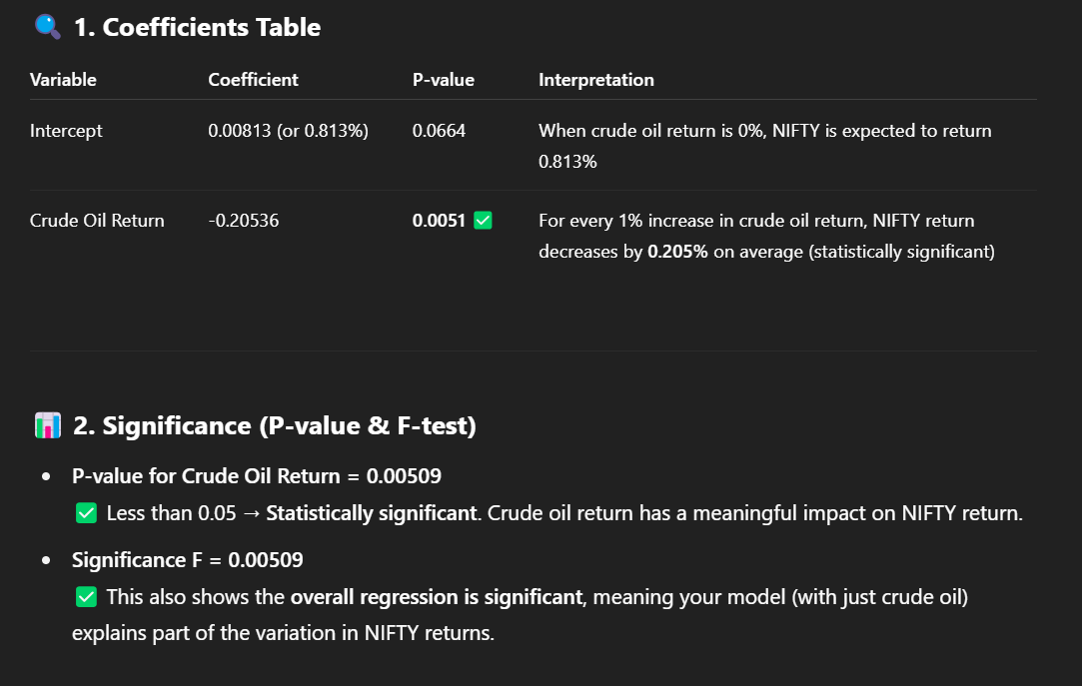
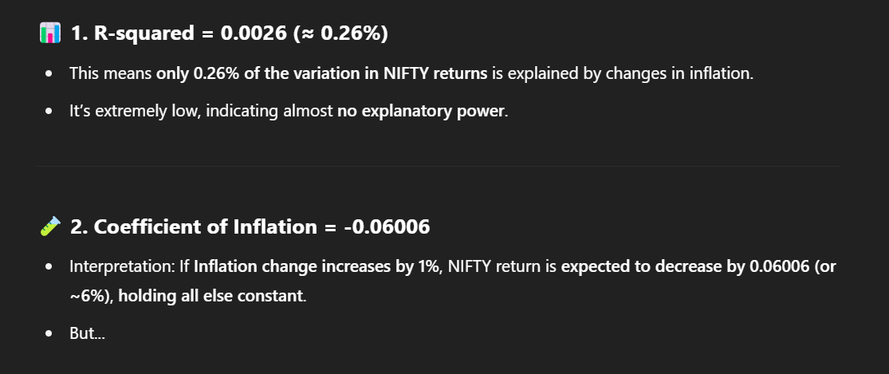
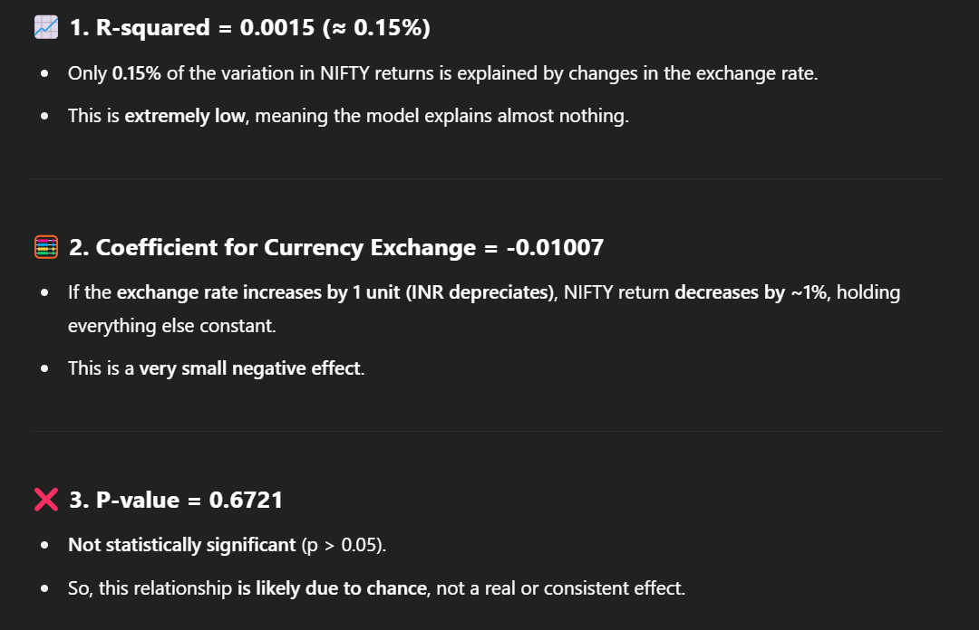
7.541 | 7.361 | 0.64% |  |  |  |  |  |  |  |  |  |  |  |  |  |  |  |  |  |  |  |  |  |  |  |  |  |  |  | -0.0058083252662 | 0.15586564251 | 0.34000527218
7.423 | 7.106 | 2.92%
7.366 | 7.11 | -1.80%
7.475 | 7.255 | -1.74%
7.617 | 7.365 | 0.47%
7.491 | 7.116 | 3.87%
7.285 | 6.891 | 4.33%
6.919 | 6.773 | 1.08%
6.955 | 6.615 | 1.29%
6.802 | 6.455 | 3.56%
6.497 | 6.34 | 2.02%
6.393 | 6.287 | -0.97%
6.429 | 6.226 | 2.65%
6.235 | 6.116 | 0.13%
6.284 | 6.188 | 0.18%
6.277 | 6.035 | 2.53%
6.089 | 5.984 | 0.48%
6.048 | 5.958 | -0.13%
6.202 | 5.99 | -2.38%
6.274 | 6.114 | -0.83%
6.242 | 5.888 | 4.71%
5.988 | 5.839 | 0.93%
5.981 | 5.887 | -0.29%
5.936 | 5.837 | 0.51%
6.042 | 5.791 | -2.23%
6.109 | 5.878 | -1.04%
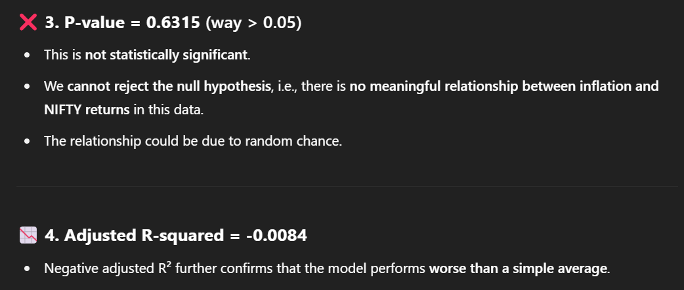
6.231 | 5.808 | 4.13%
5.907 | 5.747 | -0.87%
6.089 | 5.755 | -2.08%
6.25 | 5.879 | -1.59%
6.504 | 6.015 | -0.46%
6.449 | 5.995 | -3.66%
6.52 | 6.326 | -3.46%
6.692 | 6.485 | 0.69%
6.837 | 6.448 | 1.46%
6.574 | 6.415 | -2.75%
6.739 | 6.582 | -0.78%
6.874 | 6.488 | 2.12%
6.639 | 6.296 | 2.94%
6.93 | 6.266 | -7.41%
7.097 | 6.734 | -2.18%
7.426 | 7.03 | -5.15%
7.497 | 7.229 | 0.93%
7.59 | 7.301 | -3.23%
7.699 | 7.425 | 1.44%
7.65 | 7.35 | 1.53%
...

Multiple Regression Result
...
Repo Rate | S&P 500 | 10-Year Government Bond Yield
0.0650 | 4769.83 | 7.176 |  | Coefficients | Standard Error | t Stat | P-value | Lower 95% | Upper 95% | Lower 95.0% | Upper 95.0%
0.0650 | 4567.8 | 7.279 | Intercept | 0.010387116618 | 0.005184267359 | 2.0035842867 | 0.048226241479 | 8.2823881706E-05 | 0.020691409355 | 8.2823881706E-05 | 0.020691409355
0.0650 | 4193.8 | 7.351 | X Variable 1 | 0.13335935245 | 0.040295431314 | 3.3095402655 | 0.001360970343 | 0.05326781946 | 0.21345088544 | 0.05326781946 | 0.21345088544
0.0650 | 4288.05 | 7.21 | X Variable 2 | 0.0079038240044 | 0.028168377893 | 0.28059208927 | 0.77968944954 | -0.048083877175 | 0.063891525184 | -0.048083877175 | 0.063891525184
0.0650 | 4507.66 | 7.166 | X Variable 3 | -0.25269094925 | 0.34175738179 | -0.73938695317 | 0.46166241981 | -0.93197075159 | 0.4265888531 | -0.93197075159 | 0.4265888531
0.0650 | 4588.96 | 7.172 | X Variable 4 | 0.61878456291 | 0.17680025992 | 3.4999075407 | 0.00073629251423 | 0.2673749021 | 0.97019422372 | 0.2673749021 | 0.97019422372
0.0650 | 4450.38 | 7.11 | X Variable 5 | -0.19615401996 | 0.13214612176 | -1.484372128 | 0.14132442578 | -0.45880874596 | 0.066500706029 | -0.45880874596 | 0.066500706029
0.0650 | 4179.83 | 6.989 | X Variable 6 | -0.04338637013 | 0.20254881367 | -0.21420204515 | 0.83089074607 | -0.44597406961 | 0.35920132935 | -0.44597406961 | 0.35920132935
0.0650 | 4169.48 | 7.116
0.0650 | 4109.31 | 7.315
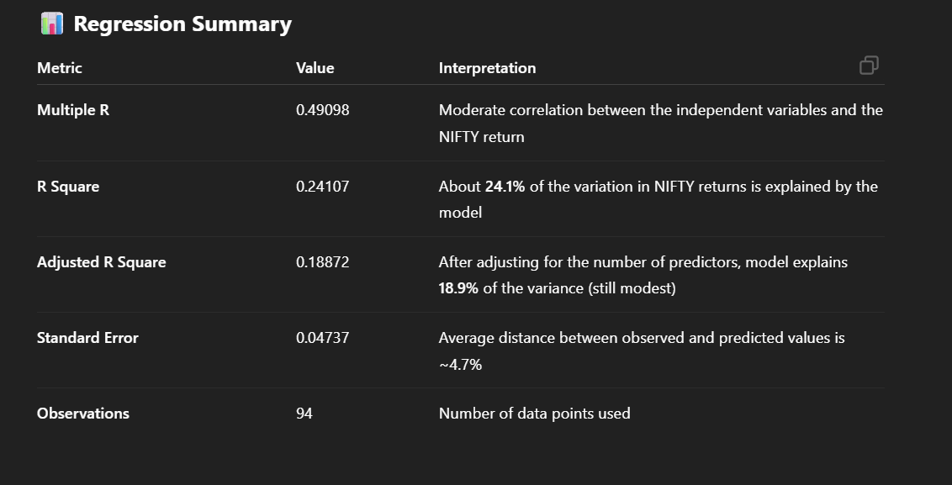
0.0650 | 3970.15 | 7.457
0.0625 | 4076.6 | 7.343
0.0625 | 3839.5 | 7.327
0.0590 | 4080.11 | 7.28
0.0590 | 3871.98 | 7.445
0.0590 | 3585.62 | 7.398
0.0540 | 3955 | 7.188
0.0490 | 4130.29 | 7.32
0.0490 | 3785.38 | 7.45
0.0440 | 4132.15 | 7.415
0.0440 | 4131.93 | 7.139
0.0440 | 4530.41 | 6.843
0.0440 | 4373.94 | 6.77
0.0440 | 4515.55 | 6.684
0.0440 | 4766.18 | 6.454
0.0440 | 4567 | 6.326
0.0440 | 4605.38 | 6.388
0.0440 | 4307.54 | 6.223
0.0440 | 4522.68 | 6.215
0.0440 | 4395.26 | 6.204
0.0440 | 4297.5 | 6.051
0.0440 | 4204.11 | 6.022
0.0440 | 4181.17 | 6.03
0.0440 | 3972.89 | 6.177
0.0440 | 3811.15 | 6.229
0.0440 | 3714.24 | 5.949
0.0440 | 3756.07 | 5.894
0.0440 | 3621.63 | 5.911
0.0440 | 3269.96 | 5.881
0.0440 | 3363 | 6.015
0.0440 | 3500.31 | 6.078
0.0440 | 3271.12 | 5.837
0.0440 | 3100.29 | 5.888
0.0440 | 3044.31 | 6.013
0.0440 | 2912.43 | 6.11
0.0515 | 2584.59 | 6.138
0.0515 | 2954.22 | 6.371
0.0515 | 3225.52 | 6.599
0.0515 | 3230.78 | 6.554
0.0515 | 3140.98 | 6.46
0.0515 | 3037.56 | 6.643
0.0540 | 2976.74 | 6.695
0.0575 | 2926.46 | 6.556
0.0575 | 2980.38 | 6.369
0.0600 | 2941.76 | 6.879
0.0600 | 2752.06 | 7.032
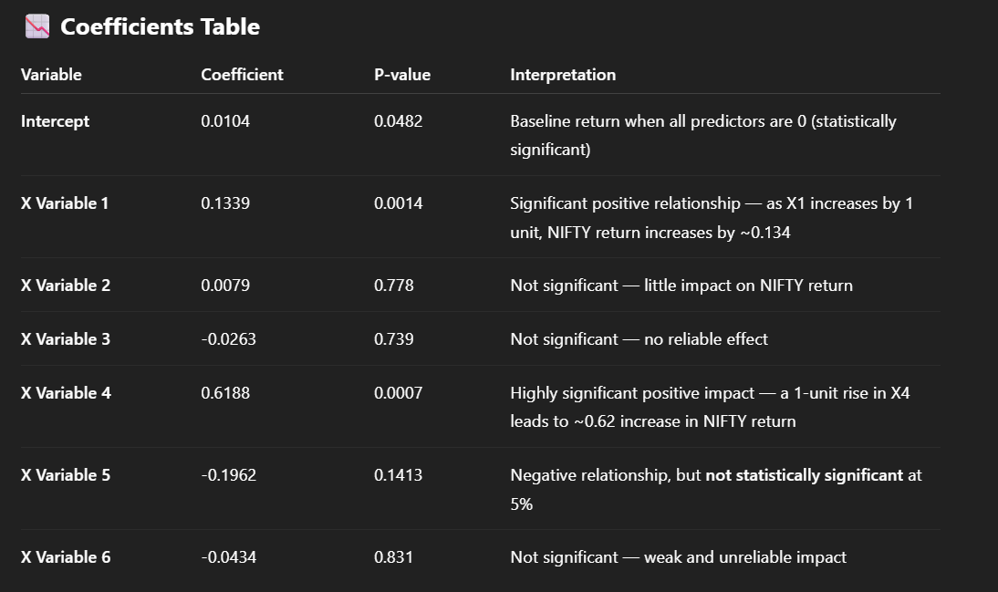
0.0625 | 2945.83 | 7.414
0.0625 | 2834.4 | 7.346
0.0650 | 2784.49 | 7.591
0.0650 | 2704.1 | 7.483
0.0650 | 2506.85 | 7.37
0.0650 | 2760.17 | 7.607
0.0650 | 2711.74 | 7.853
0.0650 | 2913.98 | 8.024
0.0625 | 2901.52 | 7.951
0.0625 | 2816.29 | 7.772
0.0600 | 2718.37 | 7.903
0.0600 | 2705.27 | 7.826
0.0600 | 2648.05 | 7.767
0.0600 | 2640.87 | 7.398
0.0600 | 2713.83 | 7.726
0.0600 | 2823.81 | 7.43
0.0600 | 2673.61 | 7.326
0.0600 | 2647.58 | 7.058
0.0600 | 2575.26 | 6.862
0.0600 | 2519.36 | 6.663
0.0600 | 2471.65 | 6.525
0.0625 | 2470.3 | 6.465
0.0625 | 2423.41 | 6.511
0.0625 | 2411.8 | 6.661
0.0625 | 2384.2 | 6.961
0.0625 | 2362.72 | 6.658
0.0625 | 2363.64 | 6.87
0.0625 | 2278.87 | 6.407
0.0625 | 2238.83 | 6.512
0.0625 | 2198.81 | 6.243
0.0625 | 2126.15 | 6.885
0.0650 | 2168.27 | 6.958
0.0650 | 2170.95 | 7.11
0.0650 | 2173.6 | 7.163
0.0650 | 2098.86 | 7.448
0.0650 | 2096.95 | 7.471
0.0650 | 2065.3 | 7.435
0.0675 | 2059.74 | 7.459
0.0675 | 1932.23 | 7.623
0.0675 | 1940.24 | 7.779
0.0675 | 2043.94 | 7.758
0.0675 | 2080.41 | 7.786
0.0675 | 2079.36 | 7.64
0.0675 | 1920.03 | 7.539
0.0725 | 1972.18 | 7.784
...

Lag Study
...
ANOVA |  |  |  |  |  |  |  |  | ANOVA |  |  |  |  |  |  |  |  | ANOVA |  |  |  |  |  |  |  |  | ANOVA |  |  |  |  |  |  |  |  | ANOVA
Total | 94 | 0.24593971773 |  |  |  |  |  |  | Total | 93 | 0.24593971773 |  |  |  |  |  |  | Total | 94 | 0.24593971773 |  |  |  |  |  |  | Total | 93 | 0.24593971773 |  |  |  |  |  |  | Total | 93 | 0.24593971773

 | Coefficients | Standard Error | t Stat | P-value | Lower 95% | Upper 95% | Lower 95.0% | Upper 95.0% |  | Coefficients | Standard Error | t Stat | P-value | Lower 95% | Upper 95% | Lower 95.0% | Upper 95.0% |  | Coefficients | Standard Error | t Stat | P-value | Lower 95% | Upper 95% | Lower 95.0% | Upper 95.0% |  | Coefficients | Standard Error | t Stat | P-value | Lower 95% | Upper 95% | Lower 95.0% | Upper 95.0% |  | Coefficients | Standard Error | t Stat
Intercept | 0.0091905613556 | 0.0045885351248 | 2.0029401771 | 0.048226398533 | 7.3239800583E-05 | 0.018307882911 | 7.3239800583E-05 | 0.018307882911 | Intercept | 0.010985100573 | 0.0054715685422 | 2.007669371 | 0.047745975952 | 0.00011150786469 | 0.021858693282 | 0.00011150786469 | 0.021858693282 | Intercept | 0.014977710974 | 0.0050790908951 | 2.9488960295 | 0.0040733405458 | 0.0048856655528 | 0.025069756396 | 0.0048856655528 | 0.025069756396 | Intercept | 0.0095613929565 | 0.0052497419925 | 1.8213072129 | 0.071958223629 | -0.00087136609809 | 0.019994152011 | -0.00087136609809 | 0.019994152011 | Intercept | 0.0089235454258 | 0.0061529285977 | 1.4502923745
X Variable 1 | 0.20623340818 | 0.035091569155 | 5.8770073023 | 7.141119378E-08 | 0.13650720773 | 0.27595960862 | 0.13650720773 | 0.27595960862 | X Variable 1 | 0.032740437151 | 0.031967794751 | 1.0241693994 | 0.30856243012 | -0.030788837359 | 0.096269711661 | -0.030788837359 | 0.096269711661 | X Variable 1 | -1.7625584871 | 0.35286767768 | -4.994955896 | 2.9130567796E-06 | -2.4636990464 | -1.0614179278 | -2.4636990464 | -1.0614179278 | X Variable 1 | -0.3515847564 | 0.18774377462 | -1.8726839657 | 0.064432491274 | -0.72468605689 | 0.021516544098 | -0.72468605689 | 0.021516544098 | X Variable 1 | -0.037074733787 | 0.11790825618 | -0.31443713095
X Variable 2 | -0.063245763163 | 0.035387709333 | -1.7872239926 | 0.077305569355 | -0.13356038783 | 0.0070688615056 | -0.13356038783 | 0.0070688615056 | X Variable 2 | -0.048115056706 | 0.031982928827 | -1.5043980796 | 0.13605964636 | -0.11167440701 | 0.015444293599 | -0.11167440701 | 0.015444293599 | X Variable 2 | 0 | 0 | 65535 | #NUM! | 0 | 0 | 0 | 0 | X Variable 2 | -0.019470881212 | 0.18892025387 | -0.10306402206 | 0.91814666639 | -0.39491018699 | 0.35596842456 | -0.39491018699 | 0.35596842456 | X Variable 2 | -0.039952543788 | 0.12053116249 | -0.3314706584
X Variable 3 | 0.06294067256 | 0.03541708855 | 1.7771272325 | 0.078963708658 | -0.0074323279884 | 0.13331367311 | -0.0074323279884 | 0.13331367311 | X Variable 3 | 0.012616845403 | 0.030809606843 | 0.40951010725 | 0.68316043819 | -0.048610774016 | 0.073844464821 | -0.048610774016 | 0.073844464821 | X Variable 3 | 0.092399129233 | 0.33720242975 | 0.2740167955 | #NUM! | -0.57761491609 | 0.76241317456 | -0.57761491609 | 0.76241317456 | X Variable 3 | 0.047555346898 | 0.19153453553 | 0.24828601675 | 0.80449159758 | -0.33307929433 | 0.42818998813 | -0.33307929433 | 0.42818998813 | X Variable 3 | -0.14353245333 | 0.1226804359 | -1.1699701934
X Variable 4 | -0.012636772226 | 0.035052155378 | -0.36051341463 | 0.71931744863 | -0.082284658334 | 0.057011113882 | -0.082284658334 | 0.057011113882 | X Variable 4 | -0.072128567197 | 0.030813279239 | -2.3408273633 | 0.021501486574 | -0.13336348473 | -0.010893649662 | -0.13336348473 | -0.010893649662 | X Variable 4 | 0.083288188699 | 0.33442630605 | 0.24904795822 | 0.80389752594 | -0.58120975798 | 0.74778613538 | -0.58120975798 | 0.74778613538 | X Variable 4 | -0.2545884343 | 0.19511645752 | -1.3048024628 | 0.19536197963 | -0.64234139279 | 0.1331645242 | -0.64234139279 | 0.1331645242 | X Variable 4 | 0.19212144147 | 0.1215295749 | 1.5808616267
X Variable 5 | 0 | 0 | 65535 | #NUM! | 0 | 0 | 0 | 0 | X Variable 5 | 0.031288109349 | 0.030754637413 | 1.0173460649 | 0.3117777208 | -0.029830269879 | 0.092406488577 | -0.029830269879 | 0.092406488577 | X Variable 5 | 0.039898139585 | 0.34137157792 | 0.11687598548 | 0.90722166852 | -0.63839991436 | 0.71819619353 | -0.63839991436 | 0.71819619353 | X Variable 5 | -0.042974463306 | 0.19480654769 | -0.22060071294 | 0.8259143513 | -0.43011154113 | 0.34416261452 | -0.43011154113 | 0.34416261452 | X Variable 5 | 0.11437414114 | 0.11985927066 | 0.95423691886

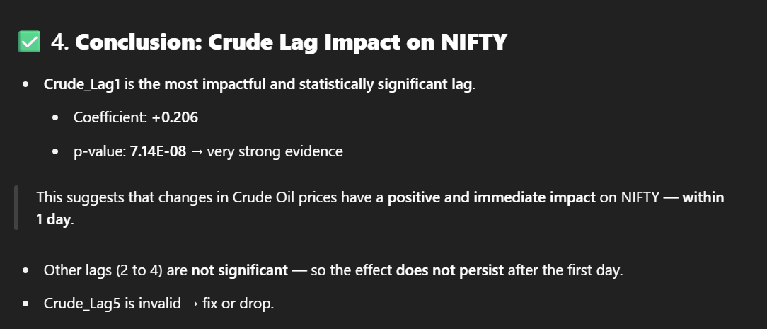
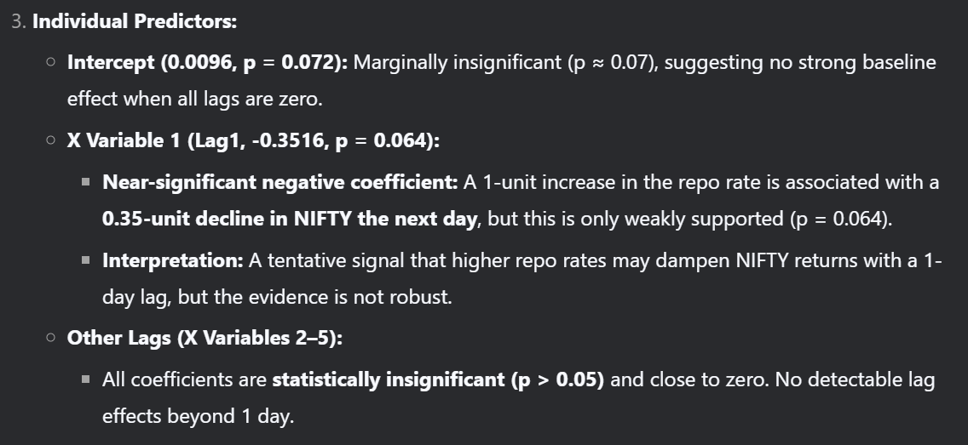
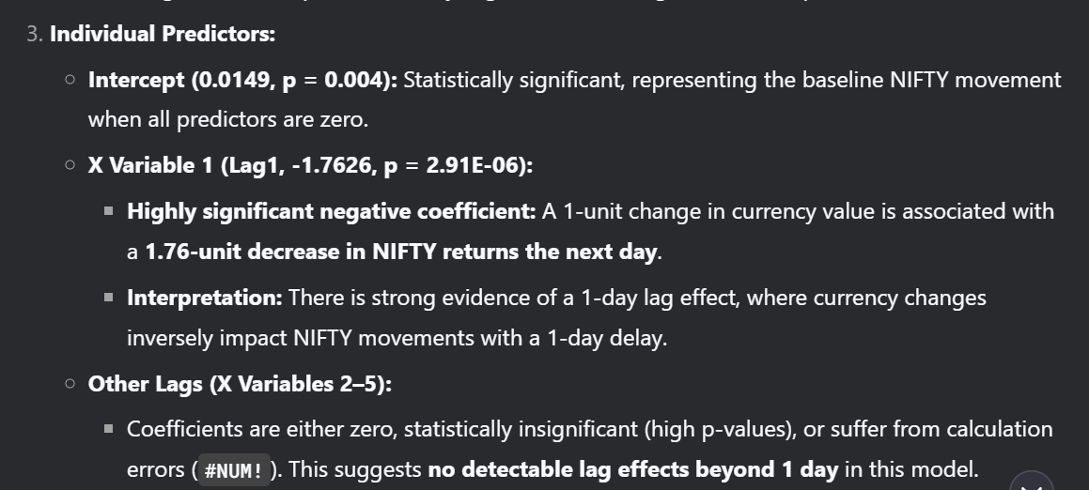
 |  |  |  |  |  |  |  |  |  |  |  |  |  |  |  |  |  |  |  |  |  |  |  |  |  |  |  |  |  |  |  |  |  |  |  | No Significant Lag effects

